Box Plots - Human Feces
PLOT NAME | PATHWAY SORTORDER | BOX PLOT
glycine | 1 | 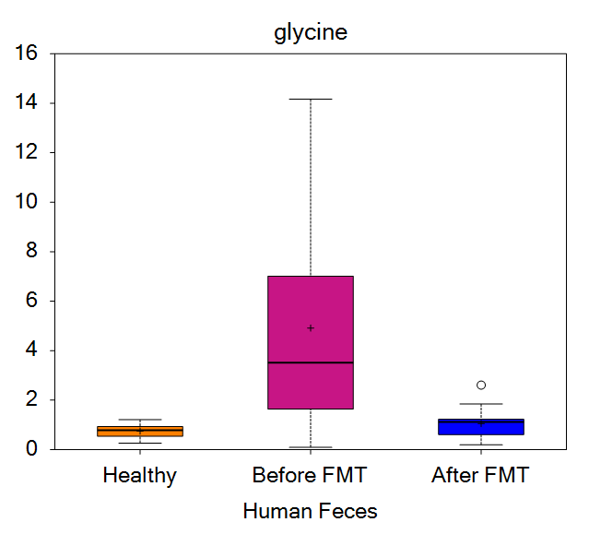
N-acetylglycine | 2 | 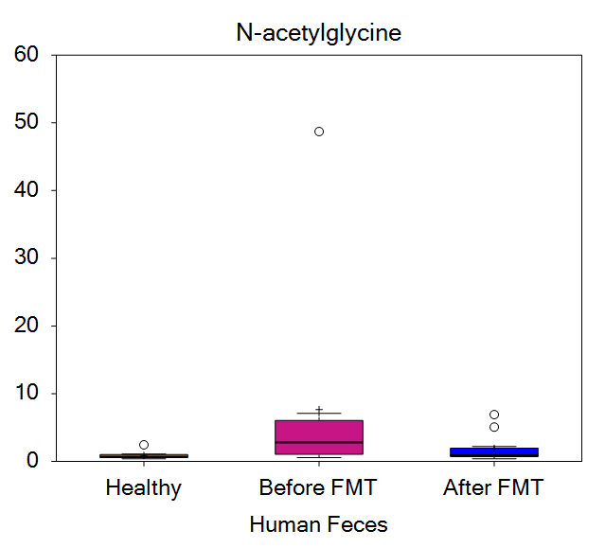
sarcosine | 5 | 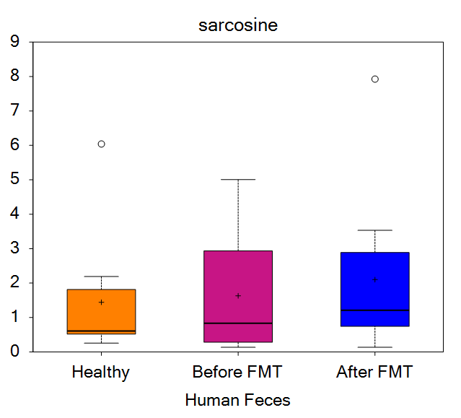
dimethylglycine | 6 | 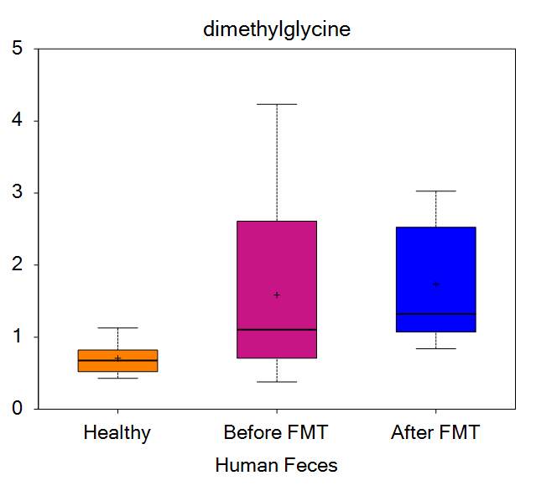
betaine | 7 | 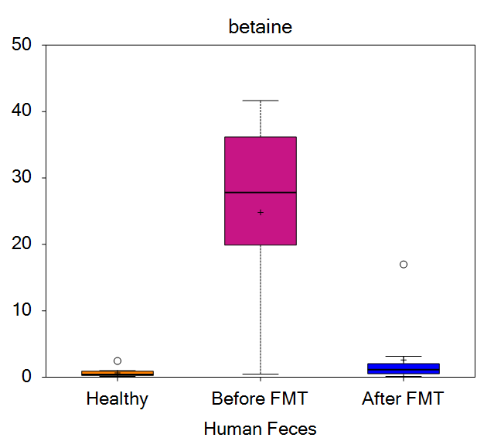
serine | 10 | 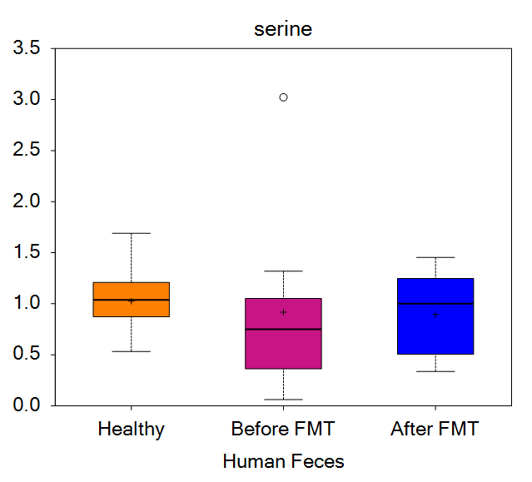
N-acetylserine | 11 | 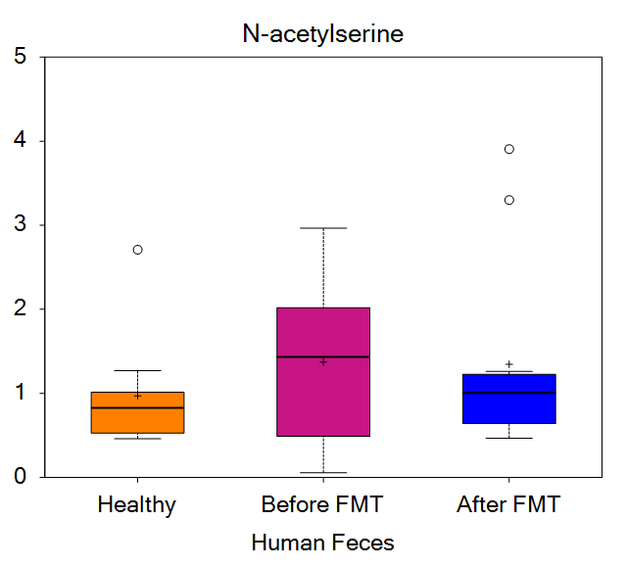
2-methylserine | 16 | 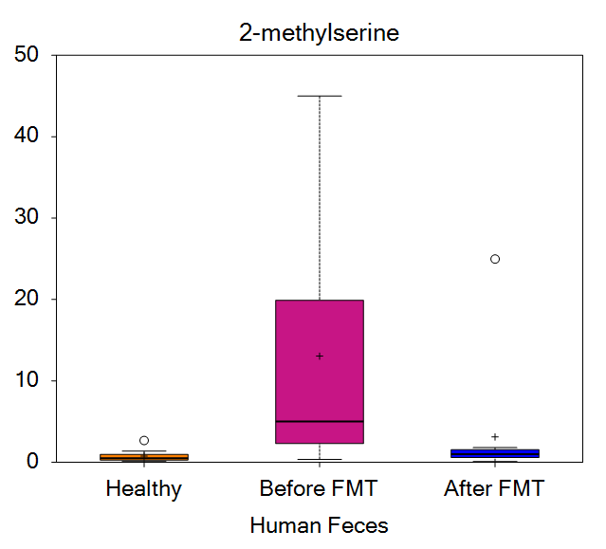
threonine | 17 | 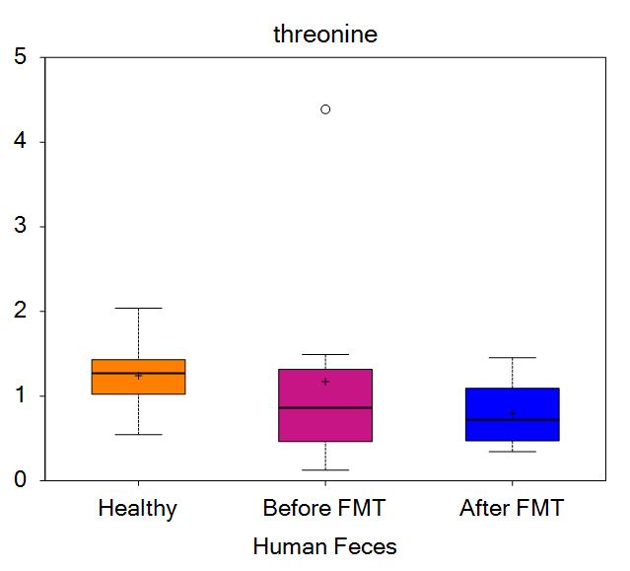
N-acetylthreonine | 18 | 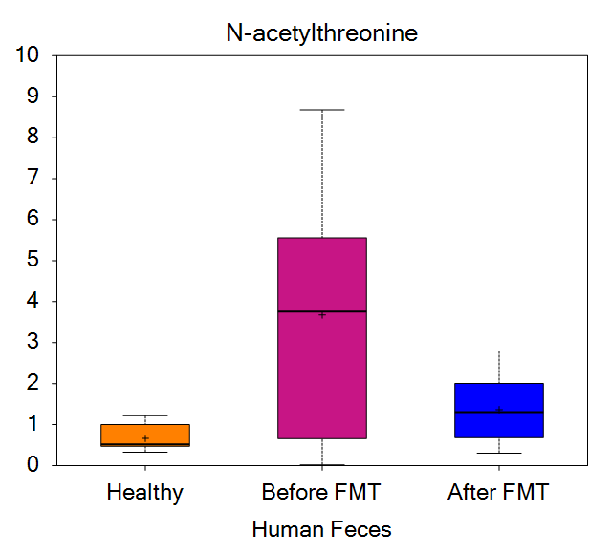
allo-threonine | 19 | 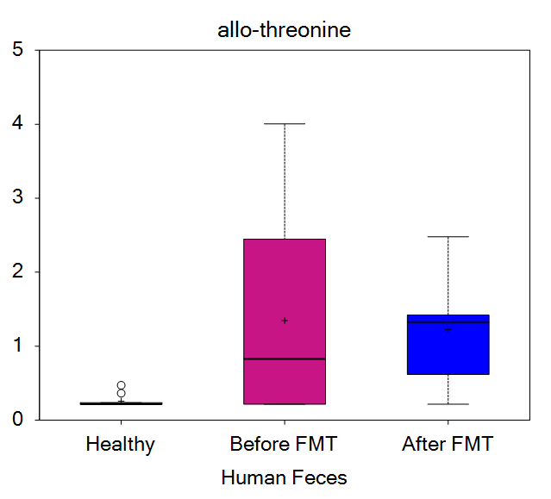
alanine | 29 | 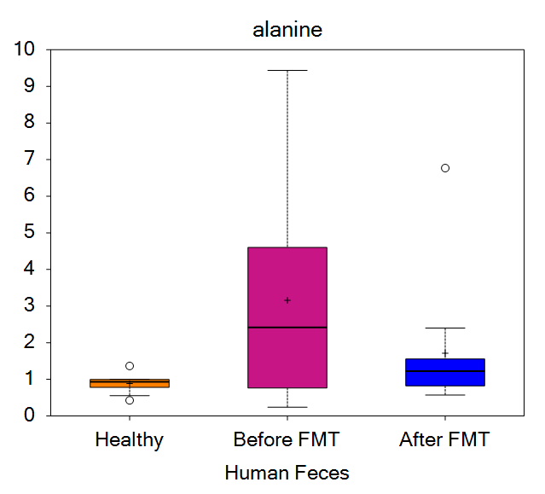
N-acetylalanine | 31 | 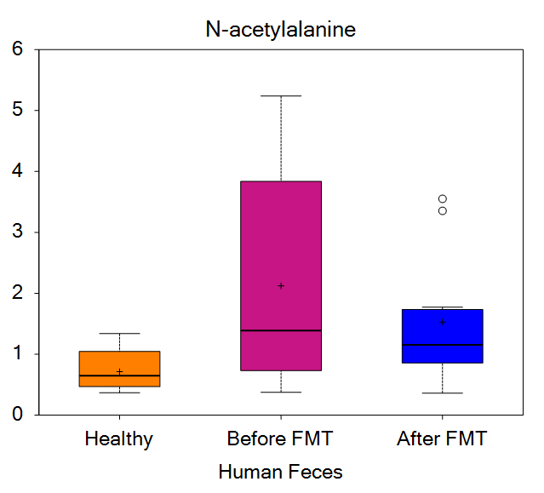
N-methylalanine | 32 | 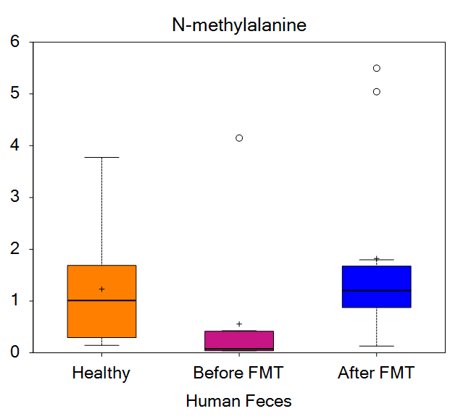
N,N-dimethylalanine | 33 | 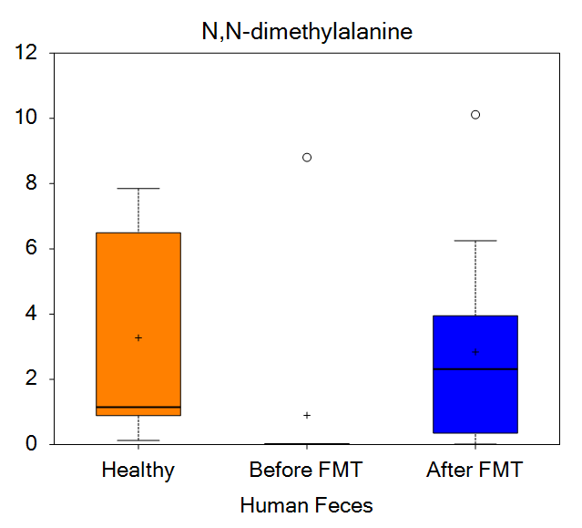
N-propionylalanine | 34 | 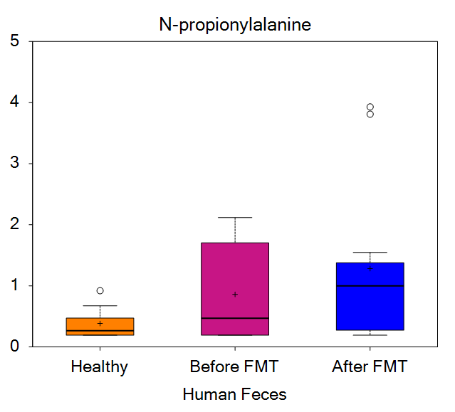
N-carbamoylalanine | 35 | 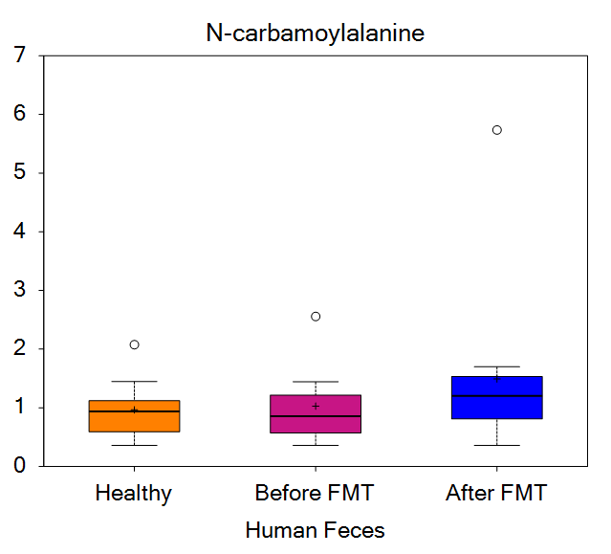
aspartate | 36 | 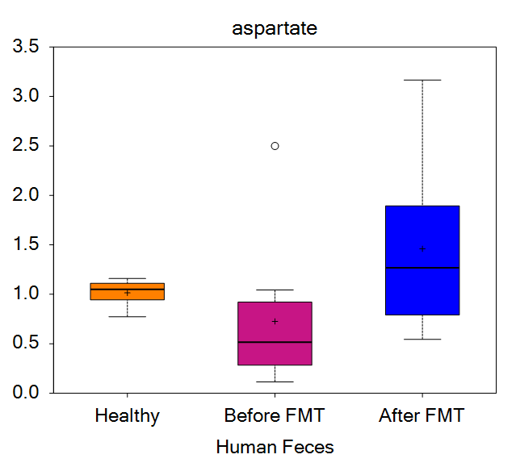
N-acetylaspartate (NAA) | 37 | 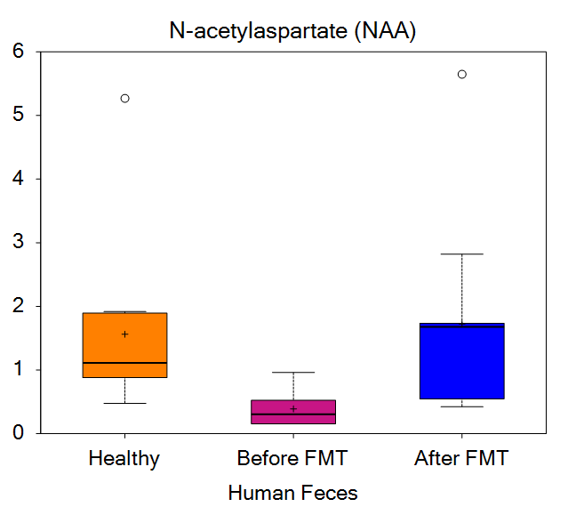
asparagine | 40 | 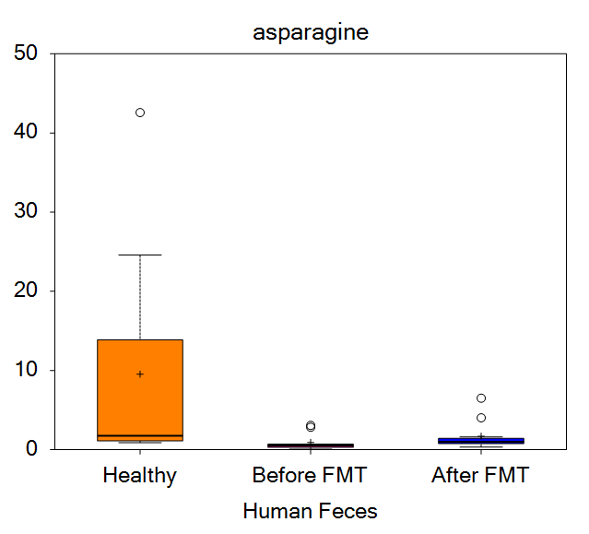
N-acetylasparagine | 42 | 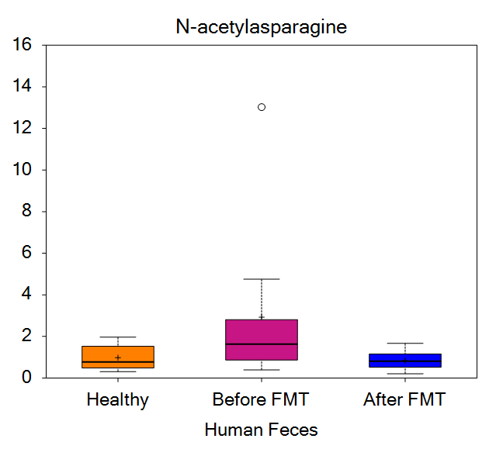
glutamate | 46 | 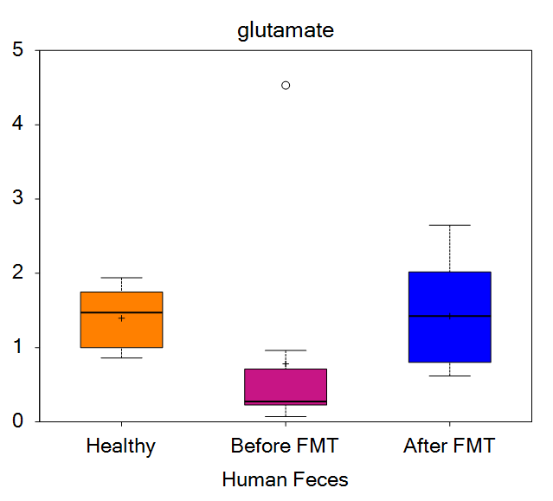
glutamine | 47 | 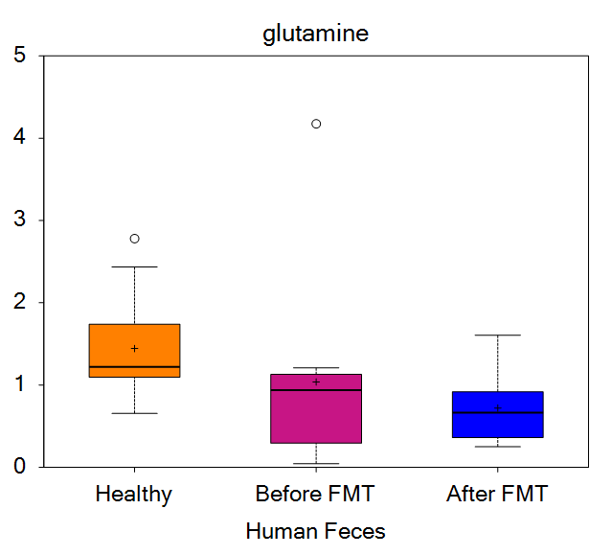
N-acetylglutamate | 49 | 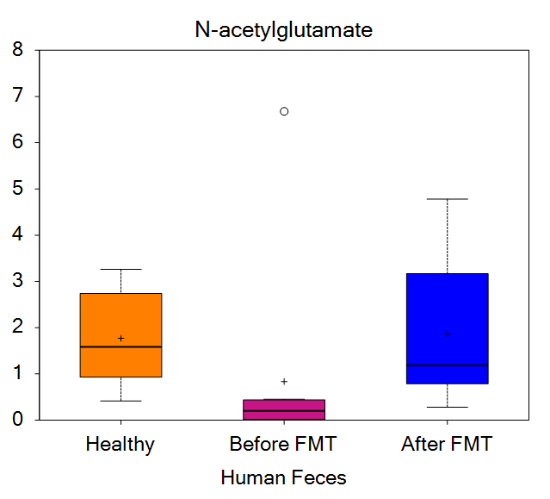
N-acetylglutamine | 50 | 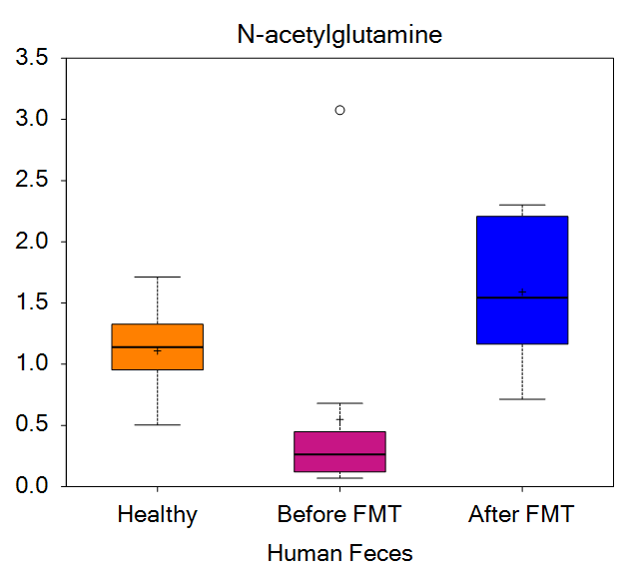
glutamate, gamma-methyl ester | 56 | 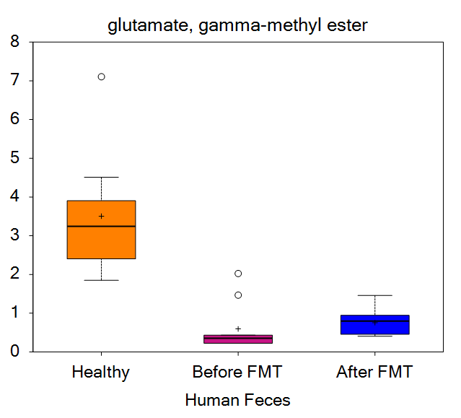
N-acetyl-aspartyl-glutamate (NAAG) | 57 | 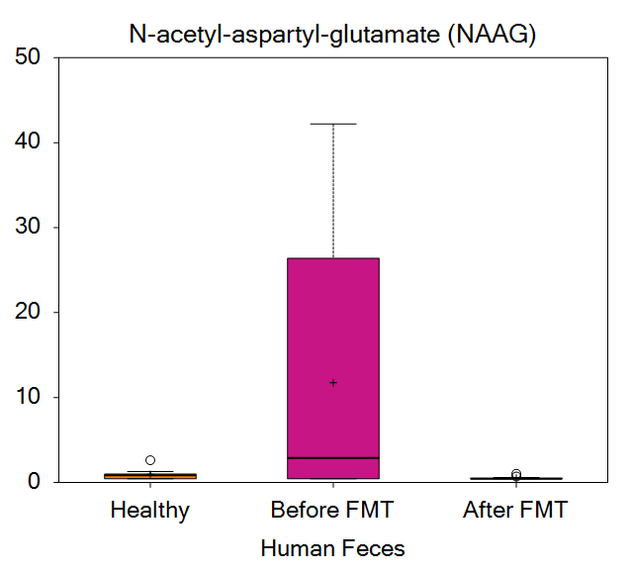
beta-citrylglutamate | 58 | 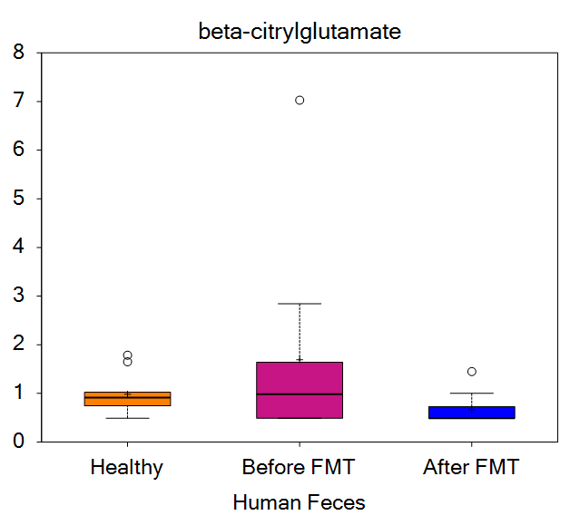
carboxyethyl-GABA | 60 | 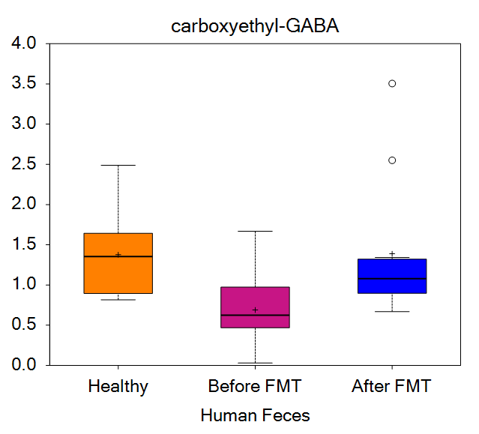
N-methyl-GABA | 61 | 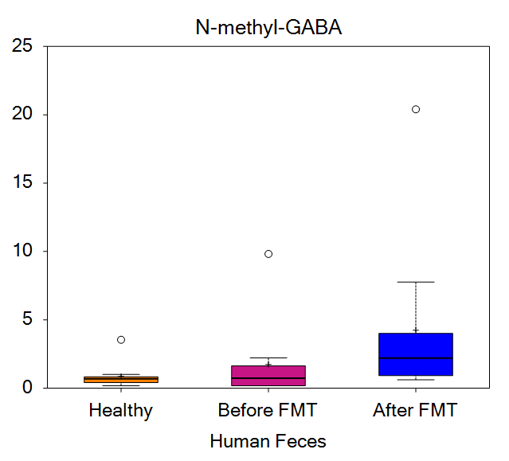
2-pyrrolidinone | 62 | 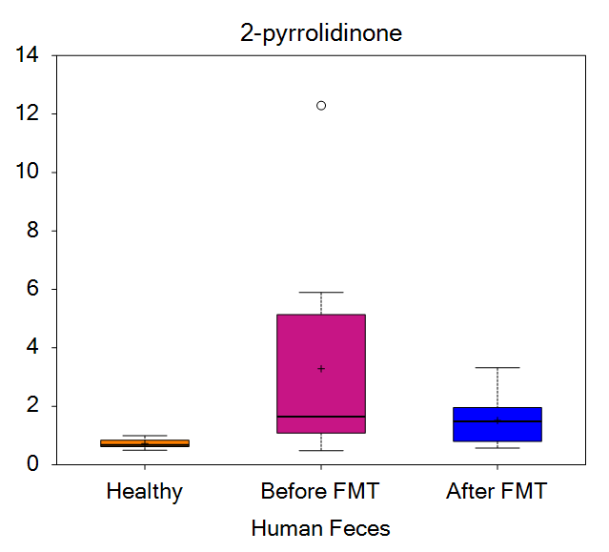
S-1-pyrroline-5-carboxylate | 64 | 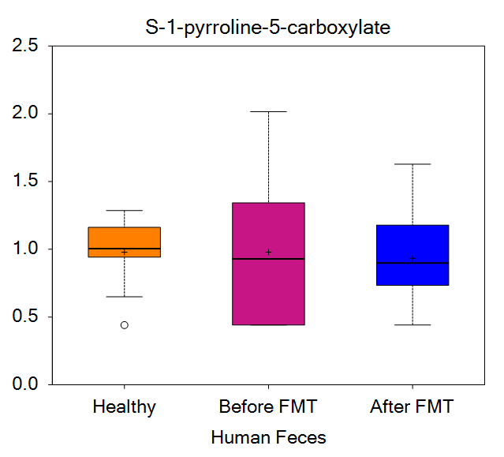
propionylglutamine | 66 | 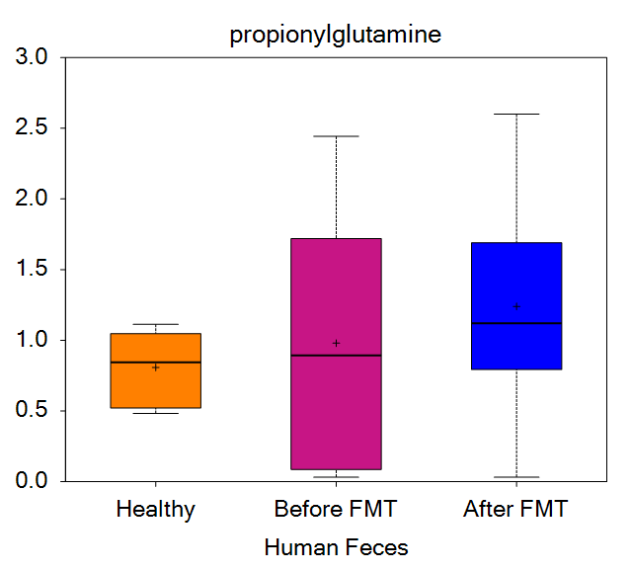
butyrylglutamine/isobutyrylglutamine | 67 | 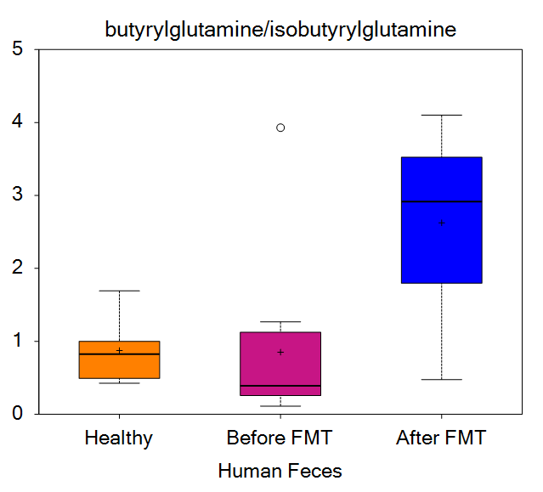
2-amino-4-cyanobutanoate | 72 | 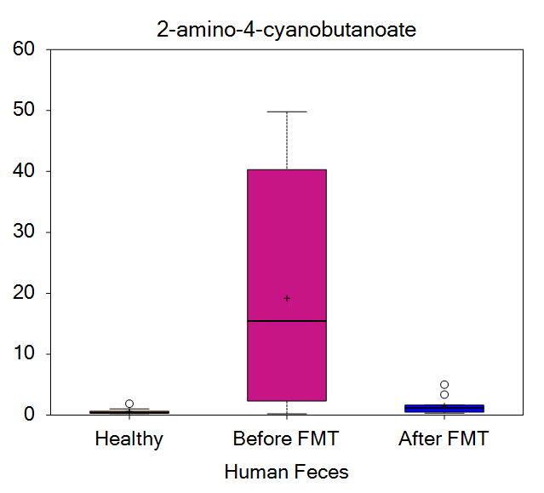
histidine | 73 | 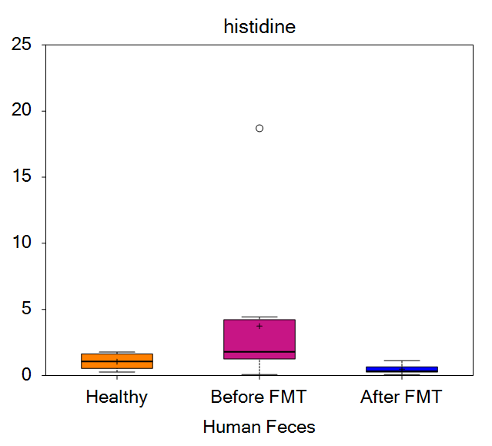
1-methylhistidine | 74 | 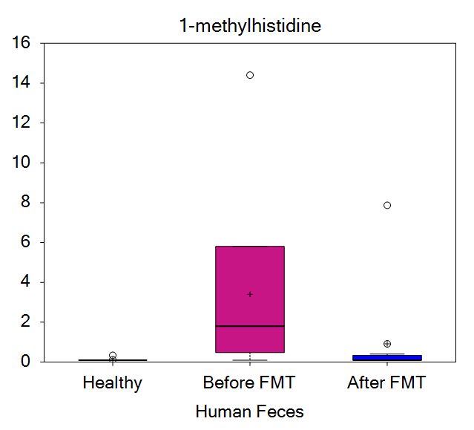
3-methylhistidine | 75 | 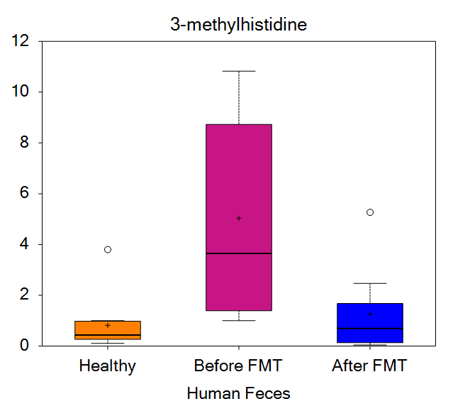
N-acetylhistidine | 76 | 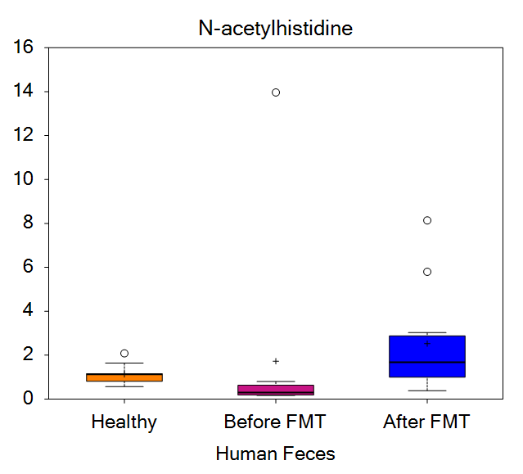
N-acetyl-3-methylhistidine* | 78 | 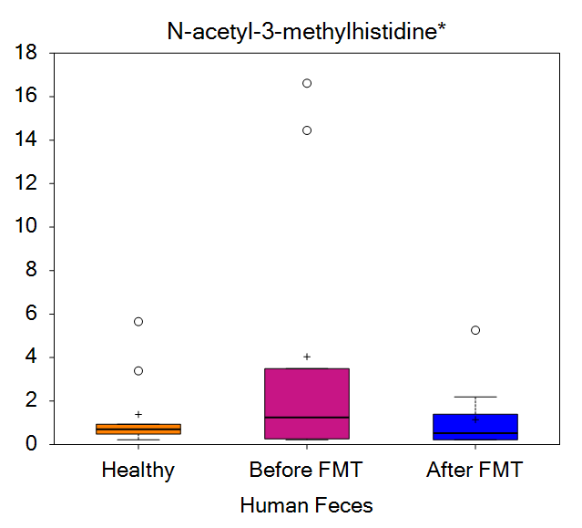
hydantoin-5-propionate | 80 | 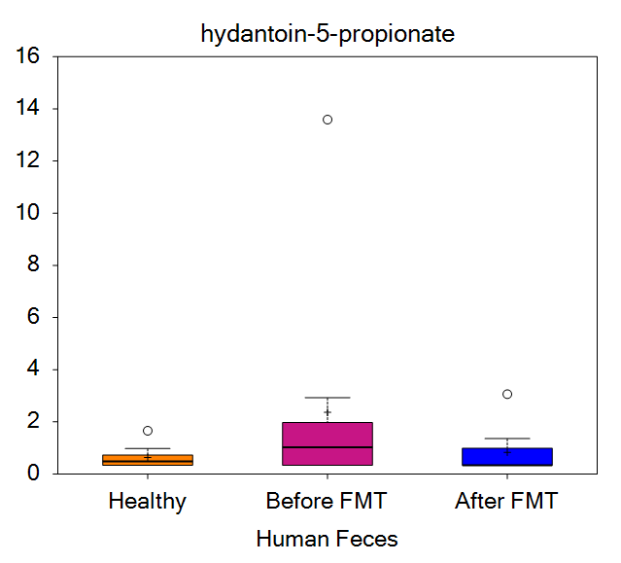
trans-urocanate | 81 | 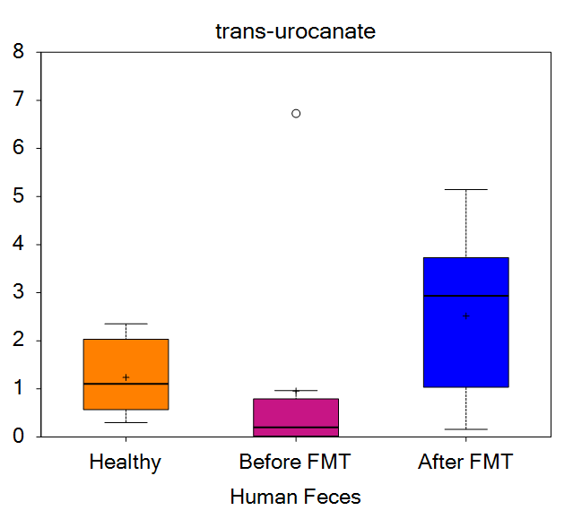
cis-urocanate | 82 | 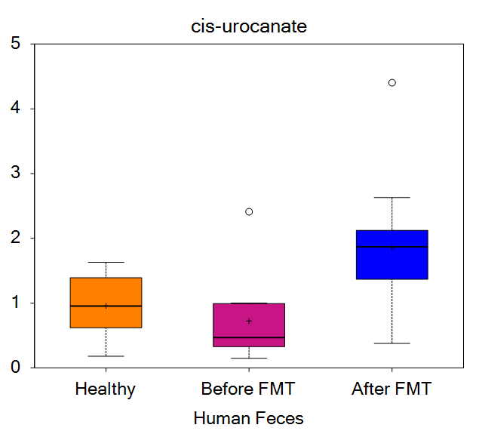
imidazole propionate | 83 | 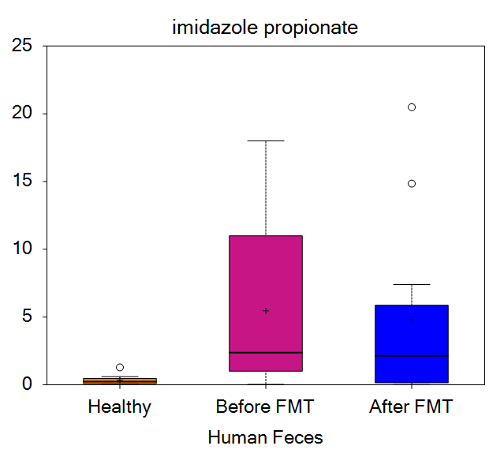
formiminoglutamate | 84 | 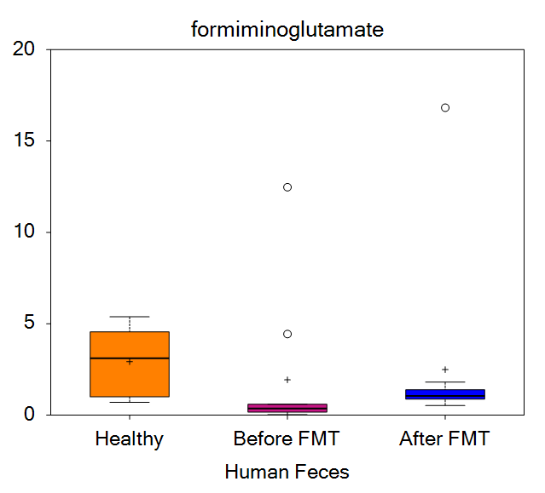
imidazole lactate | 86 | 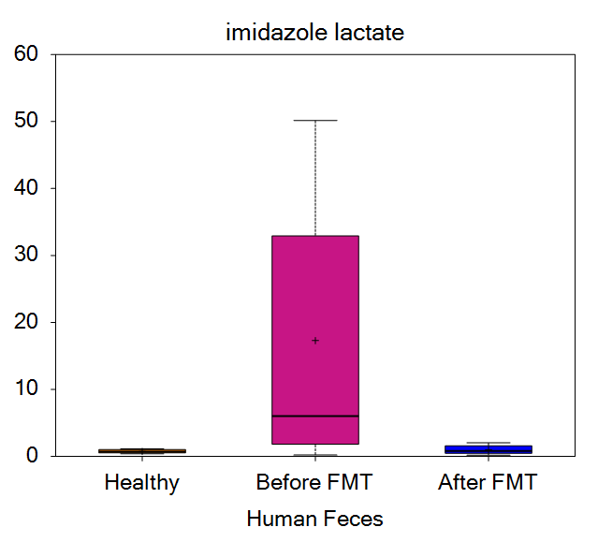
histamine | 91 | 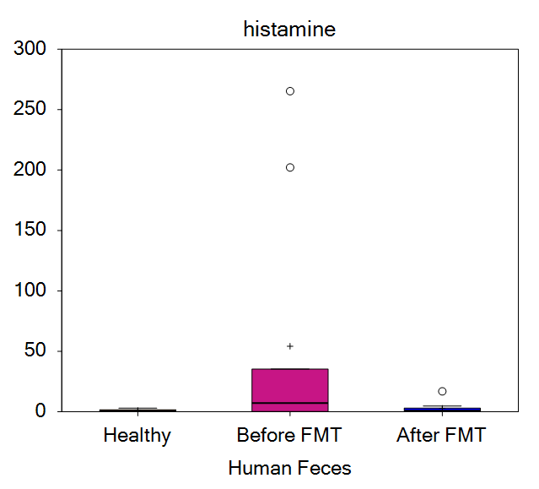
1-methylhistamine | 93 | 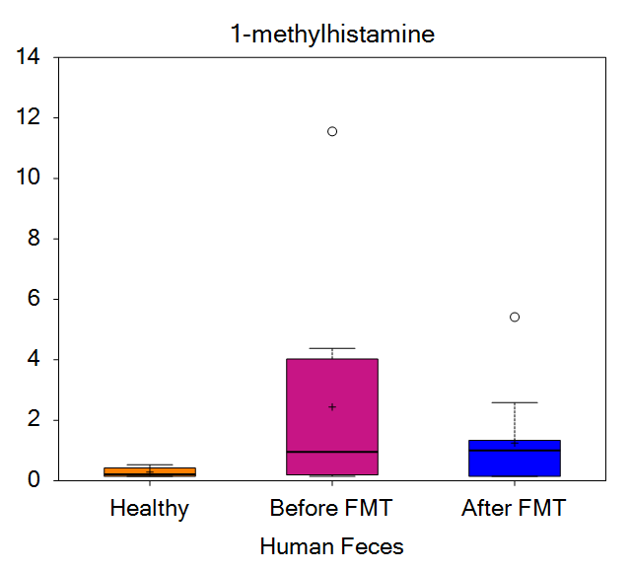
1-methyl-4-imidazoleacetate | 94 | 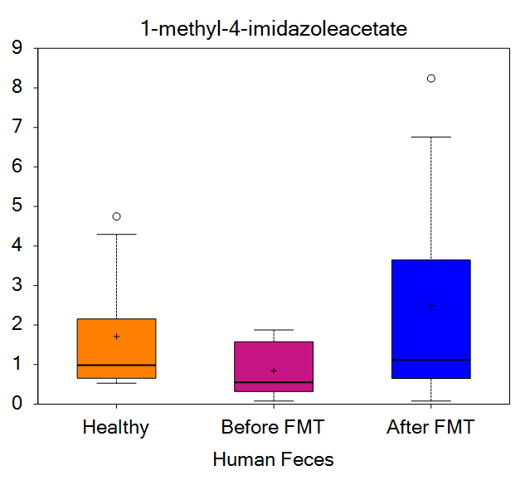
1-methyl-5-imidazoleacetate | 95 | 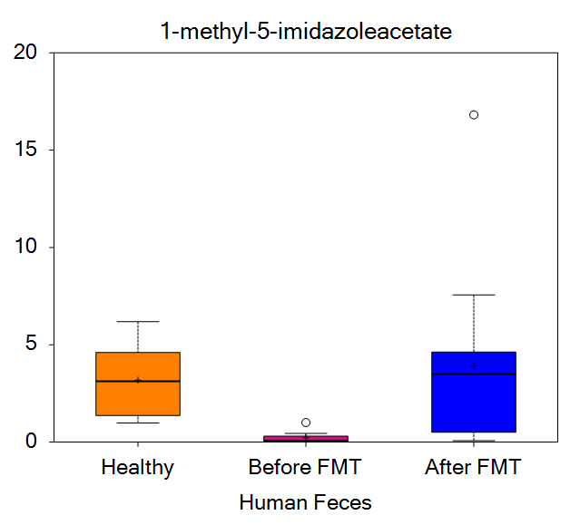
1-methyl-5-imidazolelactate | 96 | 
1-ribosyl-imidazoleacetate* | 99 | 
4-imidazoleacetate | 100 | 
N-acetylhistamine | 104 | 
lysine | 108 | 
N2-acetyllysine | 109 | 
N6-acetyllysine | 110 | 
N6-formyllysine | 115 | 
N6-carboxyethyllysine | 116 | 
N6-methyllysine | 117 | 
N6,N6-dimethyllysine | 118 | 
N6,N6,N6-trimethyllysine | 119 | 
hydroxy-N6,N6,N6-trimethyllysine* | 120 | 
N-butyryl-lysine | 121 | 
5-hydroxylysine | 122 | 
fructosyllysine | 124 | 
2-aminoadipate | 126 | 
pipecolate | 134 | 
6-oxopiperidine-2-carboxylate | 136 | 
cadaverine | 137 | 
N-acetyl-cadaverine | 138 | 
5-aminovalerate | 139 | 
N,N-dimethyl-5-aminovalerate | 140 | 
N,N,N-trimethyl-5-aminovalerate | 141 | 
phenylalanine | 143 | 
N-acetylphenylalanine | 145 | 
N-succinyl-phenylalanine | 148 | 
N-butyryl-phenylalanine | 149 | 
N-isobutyryl-phenylalanine | 150 | 
N-methylphenylalanine | 154 | 
phenylpyruvate | 156 | 
phenyllactate (PLA) | 157 | 
phenylacetate | 161 | 
3-hydroxyphenylacetate | 164 | 
4-hydroxyphenylacetate | 165 | 
valerylphenylalanine | 166 | 
tyrosine | 168 | 
N-acetyltyrosine | 169 | 
tyramine | 176 | 
m-tyramine | 178 | 
4-hydroxyphenylpyruvate | 181 | 
tyrosol | 182 | 
3-(4-hydroxyphenyl)lactate (HPLA) | 187 | 
cis-4-hydroxycyclohexylacetic acid | 193 | 
phenol sulfate | 196 | 
vanillactate | 207 | 
3-methoxytyrosine | 210 | 
3,4-dihydroxyphenylacetate | 213 | 
(R)-salsolinol | 221 | 
gentisate | 225 | 
tyramine O-sulfate | 232 | 
N-formylphenylalanine | 233 | 
4-hydroxyphenylacetate sulfate | 238 | 
isovalerylphenylalanine | 239 | 
tryptophan | 261 | 
N-acetyltryptophan | 262 | 
C-glycosyltryptophan | 268 | 
oxindolylalanine | 270 | 
tryptophan betaine | 271 | 
N-acetylkynurenine (2) | 277 | 
kynurenate | 279 | 
N-formylanthranilic acid | 281 | 
anthranilate | 282 | 
xanthurenate | 285 | 
8-methoxykynurenate | 286 | 
picolinate | 289 | 
5-hydroxypicolinic acid | 292 | 
serotonin | 294 | 
5-hydroxyindoleacetate | 297 | 
tryptamine | 301 | 
indolelactate | 305 | 
indoleacetate | 306 | 
tryptophol | 307 | 
indoleacrylate | 311 | 
indolepropionate | 312 | 
indoleacetylglutamine | 314 | 
indole | 318 | 
indole-3-carboxylate | 323 | 
3-indoxyl sulfate | 329 | 
valeryltryptophan* | 336 | 
leucine | 339 | 
N-acetylleucine | 343 | 
N-butyryl-leucine | 344 | 
N-succinyl-leucine | 346 | 
N-methylleucine | 349 | 
4-methyl-2-oxopentanoate | 350 | 
alpha-hydroxyisocaproate | 354 | 
isovalerate (C5) | 358 | 
isovalerylglycine | 360 | 
isovaleryltryptophan | 365 | 
beta-hydroxyisovalerate | 370 | 
beta-hydroxyisovaleroylcarnitine | 371 | 
3-methylglutaconate | 374 | 
5-methylnorleucine | 388 | 
isoleucine | 392 | 
N-acetylisoleucine | 394 | 
N-butyryl-isoleucine | 395 | 
N-succinyl-isoleucine | 397 | 
2-hydroxy-3-methylvalerate | 402 | 
2-methylbutyrylcarnitine (C5) | 404 | 
ethylmalonate | 414 | 
methylsuccinate | 417 | 
2,3-dimethylsuccinate | 421 | 
valine | 423 | 
N-acetylvaline | 424 | 
3-methyl-2-oxobutyrate | 430 | 
alpha-hydroxyisovalerate | 431 | 
isobutyrylcarnitine (C4) | 433 | 
isobutyrylglycine (C4) | 434 | 
3-hydroxyisobutyrate | 435 | 
methionine | 442 | 
N-acetylmethionine | 443 | 
N-formylmethionine | 445 | 
methionine sulfone | 447 | 
methionine sulfoxide | 448 | 
N-acetylmethionine sulfoxide | 449 | 
2-hydroxy-4-(methylthio)butanoic acid | 457 | 
cysteine | 463 | 
S-methylcysteine | 465 | 
S-methylcysteine sulfoxide | 466 | 
S-carboxyethylcysteine | 468 | 
cysteine s-sulfate | 469 | 
cystine | 470 | 
cysteine sulfinic acid | 476 | 
hypotaurine | 478 | 
taurine | 479 | 
N-methyltaurine | 480 | 
N-acetyltaurine | 481 | 
3-sulfo-alanine | 489 | 
arginine | 492 | 
argininosuccinate | 493 | 
methylurea | 495 | 
ornithine | 496 | 
3-amino-2-piperidone | 498 | 
2-oxoarginine* | 500 | 
citrulline | 501 | 
homocitrulline | 503 | 
proline | 504 | 
dimethylarginine (ADMA + SDMA) | 507 | 
N-acetylarginine | 508 | 
carboxymethylarginine | 510 | 
N-acetylcitrulline | 513 | 
N-acetylproline | 514 | 
carboxymethylproline | 516 | 
N-delta-acetylornithine | 517 | 
N-alpha-acetylornithine | 518 | 
N2,N5-diacetylornithine | 519 | 
hydroxyproline | 522 | 
prolylhydroxyproline | 524 | 
N-methylproline | 527 | 
N,N,N-trimethyl-alanylproline betaine (TMAP) | 528 | 
N-monomethylarginine | 530 | 
argininate* | 531 | 
N-acetylhomocitrulline | 534 | 
guanidinoacetate | 537 | 
creatine | 538 | 
creatinine | 539 | 
N-methylhydantoin | 541 | 
agmatine | 544 | 
acetylagmatine | 545 | 
putrescine | 547 | 
N-acetylputrescine | 548 | 
butyrylputrescine/isobutyrylputrescine | 550 | 
N-carbamoylputrescine | 552 | 
N-acetyl-isoputreanine | 554 | 
spermidine | 555 | 
N('1)-acetylspermidine | 556 | 
diacetylspermidine* | 559 | 
N1,N12-diacetylspermine | 564 | 
4-acetamidobutanoate | 570 | 
1-methylguanidine | 572 | 
4-guanidinobutanoate | 573 | 
cysteinylglycine | 586 | 
5-oxoproline | 589 | 
2-aminobutyrate | 590 | 
2-hydroxybutyrate/2-hydroxyisobutyrate | 592 | 
N-lactoyl isoleucine | 643 | 
N-lactoyl leucine | 644 | 
N-lactoyl phenylalanine | 646 | 
N-lactoyl tyrosine | 647 | 
N-lactoyl valine | 648 | 
gamma-glutamylalanine | 650 | 
gamma-glutamylglutamate | 653 | 
gamma-glutamylglutamine | 654 | 
gamma-glutamylglycine | 655 | 
gamma-glutamylhistidine | 656 | 
gamma-glutamylisoleucine* | 657 | 
gamma-glutamylleucine | 658 | 
gamma-glutamylphenylalanine | 662 | 
gamma-glutamyltyrosine | 665 | 
gamma-glutamylvaline | 666 | 
gamma-glutamylcitrulline* | 668 | 
alanylalanine | 673 | 
alanylarginine | 674 | 
alanylglutamate | 677 | 
alanylisoleucine | 681 | 
alanylleucine | 682 | 
alanyllysine | 683 | 
alanylphenylalanine | 685 | 
alanylserine | 687 | 
alanylthreonine | 688 | 
alanyltryptophan | 689 | 
alanyltyrosine | 690 | 
alanylvaline | 691 | 
alpha-glutamylalanine | 693 | 
alpha-glutamylglutamate | 695 | 
alpha-glutamylleucine* | 696 | 
alpha-glutamylisoleucine* | 697 | 
alpha-glutamyllysine | 698 | 
alpha-glutamylserine | 699 | 
alpha-glutamylthreonine | 700 | 
alpha-glutamyltyrosine | 702 | 
alpha-glutamylvaline | 703 | 
arginylalanine | 705 | 
arginylisoleucine | 710 | 
arginylleucine | 711 | 
arginylphenylalanine | 714 | 
arginylproline | 715 | 
arginylvaline | 720 | 
asparaginylasparagine | 721 | 
asparaginylalanine | 722 | 
asparaginylisoleucine | 724 | 
asparaginyllysine | 725 | 
asparaginylphenylalanine | 728 | 
asparaginylproline | 729 | 
asparaginyltryptophan | 731 | 
asparaginylvaline | 733 | 
aspartylarginine | 736 | 
aspartylleucine | 739 | 
aspartylisoleucine* | 740 | 
aspartyllysine | 741 | 
aspartylvaline | 746 | 
cyclo(his-pro) | 770 | 
cyclo(his-pro) (D,L)* | 771 | 
cyclo(leu-pro) | 782 | 
cyclo(pro-arg)* | 794 | 
cyclo(pro-arg) (D,L)* | 795 | 
cyclo(pro-tyr) | 800 | 
cyclo(pro-tyr) (D,L)* | 801 | 
cyclo(pro-sulfo-tyr)* | 802 | 
glutaminylglutamine | 812 | 
glutaminylisoleucine | 813 | 
glutaminylleucine | 814 | 
glutaminylphenylalanine | 815 | 
serylthreonine | 816 | 
glutaminylthreonine | 817 | 
alpha-glutamylphenylalanine* | 821 | 
glutaminyltyrosine | 825 | 
glutaminylproline | 826 | 
glutaminyltryptophan | 827 | 
glycylglutamine | 836 | 
glycylglycine | 837 | 
glycylhistidine | 838 | 
glycylisoleucine | 839 | 
glycylleucine | 840 | 
glycylmethionine | 842 | 
glycylphenylalanine | 843 | 
glycylproline | 844 | 
glycylserine | 845 | 
glycylthreonine | 846 | 
glycyltryptophan | 848 | 
glycyltyrosine | 849 | 
glycylvaline | 850 | 
histidylglutamate | 852 | 
histidylglycine | 853 | 
histidylalanine | 855 | 
histidylphenylalanine | 861 | 
histidylproline | 862 | 
histidylvaline | 866 | 
isoleucylalanine | 868 | 
isoleucylarginine | 869 | 
isoleucylglycine | 874 | 
isoleucylisoleucine | 877 | 
isoleucyllysine* | 879 | 
isoleucylproline | 882 | 
isoleucylthreonine | 884 | 
leucylalanine | 888 | 
leucylarginine | 889 | 
leucylglutamate | 892 | 
leucylglycine | 893 | 
leucylleucine | 896 | 
leucyllysine* | 897 | 
leucylproline | 900 | 
leucylthreonine | 902 | 
lysylalanine | 906 | 
lysylisoleucine | 912 | 
lysylleucine | 913 | 
lysyllysine | 914 | 
lysylphenylalanine | 916 | 
lysylproline | 917 | 
lysylasparagine | 919 | 
lysyltyrosine | 921 | 
lysylvaline | 922 | 
phenylalanylalanine | 942 | 
phenylalanylarginine | 943 | 
phenylalanylasparagine | 944 | 
phenylalanylaspartate | 945 | 
phenylalanylglycine | 947 | 
phenylalanylisoleucine | 949 | 
phenylalanylleucine | 950 | 
phenylalanylmethionine | 951 | 
phenylalanylphenylalanine | 952 | 
phenylalanylproline | 953 | 
phenylalanylserine | 955 | 
phenylalanylthreonine | 956 | 
phenylalanyltryptophan | 957 | 
phenylalanyltyrosine | 958 | 
phenylalanylvaline | 959 | 
phenylalanyllysine | 960 | 
phenylalanylglutamine | 961 | 
prolylalanine | 962 | 
prolylasparagine | 964 | 
prolylglycine | 968 | 
prolylisoleucine | 969 | 
prolylleucine | 970 | 
prolyllysine | 971 | 
prolylproline | 974 | 
prolylserine | 975 | 
prolylthreonine | 976 | 
prolyltryptophan | 977 | 
prolylvaline | 979 | 
serylglycine | 981 | 
serylalanine | 983 | 
serylarginine | 985 | 
serylglutamate | 987 | 
serylisoleucine | 989 | 
serylleucine | 990 | 
serylmethionine | 991 | 
serylphenyalanine | 992 | 
serylproline | 993 | 
serylserine | 994 | 
seryltyrosine | 995 | 
serylvaline | 996 | 
threonylalanine | 998 | 
threonylglutamate | 1002 | 
threonylisoleucine | 1005 | 
threonylleucine | 1006 | 
threonylmethionine | 1008 | 
threonylphenylalanine | 1009 | 
threonylproline | 1010 | 
threonylserine | 1011 | 
threonylthreonine | 1012 | 
threonyltryptophan | 1013 | 
threonyltyrosine | 1014 | 
threonylvaline | 1015 | 
tryptophylalanine | 1016 | 
tryptophylglycine | 1021 | 
tryptophyllysine | 1025 | 
tryptophylphenylalanine | 1027 | 
tryptophylproline | 1028 | 
tryptophylthreonine | 1030 | 
tryptophyltyrosine | 1032 | 
tryptophylvaline | 1033 | 
tyrosylalanine | 1034 | 
tyrosylarginine | 1037 | 
tyrosylglutamate | 1038 | 
tyrosylglutamine | 1039 | 
tyrosylglycine | 1040 | 
tyrosylisoleucine | 1042 | 
tyrosylleucine | 1043 | 
tyrosyllysine | 1044 | 
tyrosylphenylalanine | 1045 | 
tyrosylthreonine | 1047 | 
tyrosyltryptophan | 1048 | 
tyrosyltyrosine | 1049 | 
tyrosylvaline | 1050 | 
valylalanine | 1052 | 
valylarginine | 1053 | 
valylasparagine | 1054 | 
valylaspartate | 1055 | 
valylglutamine | 1057 | 
valylglycine | 1058 | 
valylhistidine | 1059 | 
valylleucine | 1061 | 
valyllysine | 1062 | 
valylmethionine | 1063 | 
valylphenylalanine | 1064 | 
valylproline | 1065 | 
valylserine | 1066 | 
valylthreonine | 1067 | 
valyltryptophan | 1068 | 
valyltyrosine | 1069 | 
valylvaline | 1070 | 
leucylglutamine* | 1071 | 
isoleucylleucine/leucylisoleucine | 1072 | 
leucylphenylalanine/isoleucylphenylalanine | 1073 | 
tyrosylserine | 1074 | 
lysylglutamine | 1075 | 
seryllysine | 1076 | 
seryltryptophan | 1079 | 
tryptophylglutamine | 1081 | 
asparaginylthreonine | 1084 | 
ala-ile-ala | 1107 | 
ala-leu-ala | 1108 | 
gly-val-leu | 1118 | 
ile-leu-glu | 1120 | 
ile-ile-glu | 1122 | 
pro-pro-pro | 1134 | 
pyr-ile-ile | 1142 | 
pyr-ile-leu | 1143 | 
pyr-ile-lys* | 1144 | 
pyr-leu-ile | 1147 | 
pyr-leu-leu | 1148 | 
pyr-leu-glu | 1149 | 
pyr-leu-phe* | 1150 | 
val-val-ala | 1167 | 
val-val-val | 1169 | 
phenylacetylglutamine | 1226 | 
phenylacetylphenylalanine | 1234 | 
phenylacetyltaurine | 1236 | 
pyroglutamylalanine* | 1241 | 
pyroglutamylglutamine | 1244 | 
pyroglutamylisoleucine* | 1247 | 
pyroglutamylleucine* | 1248 | 
pyroglutamyllysine* | 1249 | 
pyroglutamylphenylalanine | 1251 | 
pyroglutamylproline* | 1252 | 
pyroglutamylthreonine* | 1254 | 
pyroglutamyltryptophan* | 1255 | 
pyroglutamyltyrosine* | 1256 | 
pyroglutamylvaline | 1257 | 
glucose | 1262 | 
pyruvate | 1278 | 
lactate | 1279 | 
glycerate | 1282 | 
ribitol | 1301 | 
ribonate | 1302 | 
ribulose/xylulose | 1303 | 
xylose | 1306 | 
arabinose | 1308 | 
arabitol/xylitol | 1316 | 
arabonate/xylonate | 1322 | 
sedoheptulose | 1327 | 
lyxonate | 1329 | 
maltose | 1339 | 
lactose | 1344 | 
3'-sialyllactose | 1356 | 
sucrose | 1365 | 
fructose | 1386 | 
mannitol/sorbitol | 1391 | 
galactonate | 1412 | 
fucose | 1439 | 
glucuronate | 1446 | 
diacetylchitobiose | 1448 | 
N-acetylneuraminate | 1458 | 
N-acetyl-beta-glucosaminylamine | 1461 | 
N-acetylmuramate | 1462 | 
N-acetylglucosaminylasparagine | 1470 | 
erythronate* | 1471 | 
N-acetylglucosamine/N-acetylgalactosamine | 1473 | 
N6-carboxymethyllysine | 1475 | 
citrate | 1479 | 
aconitate [cis or trans] | 1481 | 
isocitrate | 1483 | 
isocitric lactone | 1484 | 
alpha-ketoglutarate | 1485 | 
succinylcarnitine (C4-DC) | 1487 | 
succinate | 1488 | 
malate | 1491 | 
tricarballylate | 1496 | 
2-methylcitrate/homocitrate | 1500 | 
citraconate/glutaconate | 1502 | 
phosphate | 1508 | 
malonylcarnitine | 1511 | 
malonate | 1512 | 
butyrate/isobutyrate (4:0) | 1527 | 
valerate (5:0) | 1528 | 
caproate (6:0) | 1534 | 
heptanoate (7:0) | 1535 | 
caprylate (8:0) | 1536 | 
caprate (10:0) | 1539 | 
cis-4-decenoate (10:1n6)* | 1540 | 
undecanoate (11:0) | 1544 | 
10-undecenoate (11:1n1) | 1545 | 
laurate (12:0) | 1547 | 
5-dodecenoate (12:1n7) | 1549 | 
myristate (14:0) | 1552 | 
pentadecanoate (15:0) | 1554 | 
palmitate (16:0) | 1555 | 
margarate (17:0) | 1557 | 
stearate (18:0) | 1559 | 
nonadecanoate (19:0) | 1561 | 
arachidate (20:0) | 1562 | 
myristoleate (14:1n5) | 1571 | 
palmitoleate (16:1n7) | 1574 | 
heptadecenoate (17:1) | 1576 | 
oleate/vaccenate (18:1) | 1578 | 
nonadecenoate (19:1) | 1585 | 
eicosenoate (20:1n9 or 1n11) | 1588 | 
erucate (22:1n9) | 1592 | 
tetradecadienoate (14:2)* | 1595 | 
hexadecatrienoate (16:3n3) | 1596 | 
heptadecatrienoate (17:3)* | 1597 | 
stearidonate (18:4n3) | 1602 | 
eicosapentaenoate (EPA; 20:5n3) | 1605 | 
heneicosapentaenoate (21:5n3) | 1606 | 
docosapentaenoate (DPA; 22:5n3) | 1607 | 
docosahexaenoate (DHA; 22:6n3) | 1608 | 
hexadecadienoate (16:2n6) | 1611 | 
linoleate (18:2n6) | 1612 | 
linolenate (18:3n3 or 3n6) | 1614 | 
dihomolinoleate (20:2n6) | 1615 | 
dihomolinolenate (20:3n3 or 3n6) | 1617 | 
arachidonate (20:4n6) | 1618 | 
docosapentaenoate (n6 DPA; 22:5n6) | 1621 | 
docosadienoate (22:2n6) | 1622 | 
PAHSA (16:0/OH-18:0) | 1668 | 
LAHSA (18:2/OH-18:0)* | 1669 | 
OAHSA (18:1/OH-18:0) | 1670 | 
isocaproate (i6:0) | 1671 | 
(12 or 13)-methylmyristate (a15:0 or i15:0) | 1682 | 
(14 or 15)-methylpalmitate (a17:0 or i17:0) | 1687 | 
(16 or 17)-methylstearate (a19:0 or i19:0) | 1693 | 
pristanate | 1697 | 
dimethylmalonic acid | 1702 | 
glutarate (C5-DC) | 1704 | 
3-methylglutarate/2-methylglutarate | 1707 | 
2-hydroxyglutarate | 1708 | 
adipate | 1710 | 
3-carboxyadipate | 1711 | 
3-hydroxyadipate | 1713 | 
maleate | 1716 | 
heptenedioate (C7:1-DC)* | 1719 | 
suberate (C8-DC) | 1721 | 
azelate (C9-DC) | 1724 | 
sebacate (C10-DC) | 1726 | 
undecanedioate (C11-DC) | 1728 | 
tridecanedioate (C13-DC) | 1730 | 
dodecanedioate (C12) | 1731 | 
3-hydroxydodecanedioate* | 1732 | 
dodecenedioate (C12:1-DC)* | 1733 | 
tetradecanedioate (C14) | 1736 | 
branched chain 14:0 dicarboxylic acid** | 1738 | 
hexadecanedioate (C16) | 1740 | 
octadecanedioate (C18) | 1743 | 
octadecenedioate (C18:1-DC) | 1744 | 
3-carboxy-4-methyl-5-propyl-2-furanpropanoate (CMPF) | 1750 | 
3-carboxy-4-methyl-5-pentyl-2-furanpropionate (3-CMPFP)** | 1752 | 
2-hydroxysebacate | 1754 | 
2-aminoheptanoate | 1795 | 
butyrylcarnitine (C4) | 1813 | 
propionylcarnitine (C3) | 1816 | 
propionylglycine (C3) | 1817 | 
methylmalonate (MMA) | 1819 | 
hexanoylglutamine | 1826 | 
valerylglycine (C5) | 1848 | 
N-palmitoylglycine | 1868 | 
N-linoleoylglycine | 1872 | 
acetylcarnitine (C2) | 1885 | 
hexanoylcarnitine (C6) | 1889 | 
octanoylcarnitine (C8) | 1897 | 
cis-3,4-methyleneheptanoylcarnitine | 1901 | 
decanoylcarnitine (C10) | 1905 | 
laurylcarnitine (C12) | 1906 | 
myristoylcarnitine (C14) | 1907 | 
palmitoylcarnitine (C16) | 1909 | 
margaroylcarnitine (C17)* | 1910 | 
stearoylcarnitine (C18) | 1911 | 
arachidoylcarnitine (C20)* | 1912 | 
behenoylcarnitine (C22)* | 1913 | 
lignoceroylcarnitine (C24)* | 1914 | 
cerotoylcarnitine (C26)* | 1915 | 
undecenoylcarnitine (C11:1) | 1926 | 
5-dodecenoylcarnitine (C12:1) | 1927 | 
palmitoleoylcarnitine (C16:1)* | 1930 | 
oleoylcarnitine (C18:1) | 1931 | 
eicosenoylcarnitine (C20:1)* | 1932 | 
erucoylcarnitine (C22:1)* | 1933 | 
nervonoylcarnitine (C24:1)* | 1934 | 
linoleoylcarnitine (C18:2)* | 1936 | 
linolenoylcarnitine (C18:3)* | 1937 | 
docosahexaenoylcarnitine (C22:6)* | 1947 | 
adipoylcarnitine (C6-DC) | 1952 | 
suberoylcarnitine (C8-DC) | 1960 | 
octadecenedioylcarnitine (C18:1-DC)* | 1963 | 
(R)-3-hydroxybutyrylcarnitine | 1964 | 
(S)-3-hydroxybutyrylcarnitine | 1965 | 
3-hydroxyoctanoylcarnitine (1) | 1969 | 
3-hydroxydecanoylcarnitine | 1972 | 
3-hydroxypalmitoylcarnitine | 1973 | 
deoxycarnitine | 1976 | 
carnitine | 1977 | 
3-hydroxybutyrate (BHBA) | 1983 | 
acetylcholine | 1984 | 
oleoylcholine | 1989 | 
2-hydroxyheptanoate* | 2004 | 
2-hydroxydecanoate | 2007 | 
2-hydroxylaurate | 2011 | 
2-hydroxypalmitate | 2013 | 
2-hydroxyoleate | 2015 | 
2-hydroxystearate | 2016 | 
2-hydroxyarachidate* | 2018 | 
2-hydroxybehenate | 2019 | 
2-hydroxylignocerate* | 2020 | 
2-hydroxynervonate* | 2021 | 
3-hydroxyhexanoate | 2024 | 
3-hydroxyoctanoate | 2025 | 
3-hydroxysuberate | 2026 | 
3-hydroxytridecanoate | 2028 | 
3-hydroxylaurate | 2030 | 
3-hydroxymyristate | 2031 | 
3-hydroxypalmitate | 2032 | 
3-hydroxystearate | 2034 | 
3-hydroxyoleate* | 2035 | 
3-hydroxyarachidate* | 2036 | 
5-hydroxyhexanoate | 2040 | 
8-hydroxyoctanoate | 2046 | 
10-hydroxystearate | 2050 | 
13-HODE + 9-HODE | 2059 | 
12,13-DiHOME | 2075 | 
9,10-DiHOME | 2076 | 
2S,3R-dihydroxybutyrate | 2078 | 
2R,3R-dihydroxybutyrate | 2079 | 
2,4-dihydroxybutyrate | 2081 | 
3,4-dihydroxybutyrate | 2082 | 
oleoyl ethanolamide (18:1) | 2204 | 
palmitoyl ethanolamide (16:0) | 2207 | 
stearoyl ethanolamide (18:0) | 2208 | 
arachidonoyl ethanolamide (20:4) | 2212 | 
N-oleoyltaurine | 2217 | 
N-stearoyltaurine | 2218 | 
N-palmitoyltaurine | 2219 | 
N-linoleoyltaurine | 2222 | 
hexanoyltaurine | 2225 | 
linoleoyl ethanolamide (18:2) | 2227 | 
linolenoyl ethanolamide (18:3)* | 2228 | 
arachidoyl ethanolamide (20:0)* | 2230 | 
behenoyl ethanolamide (22:0)* | 2231 | 
erucoyl ethanolamide (22:1)* | 2233 | 
lignoceroyl ethanolamide (24:0)* | 2234 | 
nervonoyl ethanolamide (24:1)* | 2235 | 
N-oleoylserine | 2241 | 
myo-inositol | 2246 | 
chiro-inositol | 2247 | 
choline | 2277 | 
phosphocholine | 2278 | 
glycerophosphorylcholine (GPC) | 2281 | 
glycerophosphoethanolamine | 2285 | 
glycerophosphoserine* | 2286 | 
glycerophosphoinositol* | 2287 | 
trimethylamine N-oxide | 2288 | 
1-myristoyl-2-palmitoyl-GPC (14:0/16:0) | 2307 | 
1,2-dipalmitoyl-GPC (16:0/16:0) | 2323 | 
1-palmitoyl-2-palmitoleoyl-GPC (16:0/16:1)* | 2324 | 
1-palmitoyl-2-stearoyl-GPC (16:0/18:0) | 2326 | 
1-palmitoyl-2-oleoyl-GPC (16:0/18:1) | 2328 | 
1-palmitoyl-2-linoleoyl-GPC (16:0/18:2) | 2331 | 
1-palmitoyl-2-arachidonoyl-GPC (16:0/20:4n6) | 2342 | 
1-stearoyl-2-oleoyl-GPC (18:0/18:1) | 2367 | 
1-stearoyl-2-linoleoyl-GPC (18:0/18:2)* | 2370 | 
1-oleoyl-2-linoleoyl-GPC (18:1/18:2)* | 2393 | 
1,2-dilinoleoyl-GPC (18:2/18:2) | 2404 | 
1-myristoyl-GPC (14:0) | 2645 | 
1-palmitoyl-GPC (16:0) | 2650 | 
2-palmitoyl-GPC (16:0)* | 2651 | 
1-palmitoleoyl-GPC (16:1)* | 2652 | 
1-stearoyl-GPC (18:0) | 2661 | 
1-oleoyl-GPC (18:1) | 2663 | 
2-oleoyl-GPC (18:1)* | 2664 | 
1-linoleoyl-GPC (18:2) | 2666 | 
2-linoleoyl-GPC (18:2)* | 2667 | 
1-linolenoyl-GPC (18:3)* | 2668 | 
1-eicosenoyl-GPC (20:1)* | 2677 | 
1-myristoyl-GPE (14:0) | 2712 | 
1-palmitoyl-GPE (16:0) | 2715 | 
2-palmitoyl-GPE* (16:0)* | 2716 | 
1-palmitoleoyl-GPE (16:1)* | 2717 | 
1-margaroyl-GPE (17:0)* | 2721 | 
1-stearoyl-GPE (18:0) | 2722 | 
2-stearoyl-GPE (18:0)* | 2723 | 
1-oleoyl-GPE (18:1) | 2724 | 
2-oleoyl-GPE (18:1)* | 2725 | 
1-linoleoyl-GPE (18:2)* | 2726 | 
1-linolenoyl-GPE (18:3)* | 2728 | 
1-palmitoyl-GPS (16:0)* | 2756 | 
1-stearoyl-GPS (18:0)* | 2757 | 
1-oleoyl-GPS (18:1) | 2758 | 
1-palmitoyl-GPG (16:0)* | 2763 | 
2-palmitoyl-GPG (16:0)* | 2764 | 
1-stearoyl-GPG (18:0) | 2766 | 
1-oleoyl-GPG (18:1)* | 2768 | 
2-oleoyl-GPG (18:1)* | 2769 | 
1-linoleoyl-GPG (18:2)* | 2770 | 
1-palmitoyl-GPI (16:0) | 2772 | 
1-stearoyl-GPI (18:0) | 2776 | 
2-stearoyl-GPI (18:0)* | 2777 | 
1-oleoyl-GPI (18:1) | 2778 | 
1-linoleoyl-GPI* (18:2)* | 2780 | 
1-linolenoyl-GPI (18:3)* | 2782 | 
1-palmityl-2-palmitoyl-GPC (O-16:0/16:0)* | 2844 | 
1-palmityl-2-oleoyl-GPC (O-16:0/18:1)* | 2846 | 
1-oleyl-GPC (O-18:1)* | 2887 | 
1-palmityl-GPE (O-16:0)* | 2888 | 
1-palmityl-GPC (O-16:0) | 2889 | 
1-stearyl-GPC (O-18:0)* | 2890 | 
1-stearyl-GPE (O-18:0)* | 2891 | 
1-(1-enyl-palmitoyl)-GPE (P-16:0)* | 2893 | 
1-(1-enyl-oleoyl)-GPE (P-18:1)* | 2895 | 
1-(1-enyl-stearoyl)-GPE (P-18:0)* | 2897 | 
glycerol | 2901 | 
glycerol 3-phosphate | 2902 | 
glycerophosphoglycerol | 2907 | 
1-myristoylglycerol (14:0) | 2910 | 
1-pentadecanoylglycerol (15:0) | 2912 | 
1-palmitoylglycerol (16:0) | 2913 | 
1-palmitoleoylglycerol (16:1)* | 2914 | 
1-margaroylglycerol (17:0) | 2915 | 
1-oleoylglycerol (18:1) | 2917 | 
1-linoleoylglycerol (18:2) | 2918 | 
1-linolenoylglycerol (18:3) | 2919 | 
1-dihomo-linolenylglycerol (20:3n3 or n6) | 2923 | 
2-myristoylglycerol (14:0) | 2929 | 
2-palmitoylglycerol (16:0) | 2930 | 
2-oleoylglycerol (18:1) | 2933 | 
2-linoleoylglycerol (18:2) | 2934 | 
1-dihomo-linoleoylglycerol (20:2) | 2935 | 
1-palmitoyl-sulfoquinovopyranosyl-glycerol (16:0)* | 2944 | 
palmitoyl-oleoyl-glycerol (16:0/18:1) [1]* | 2966 | 
palmitoyl-oleoyl-glycerol (16:0/18:1) [2]* | 2967 | 
palmitoyl-linoleoyl-glycerol (16:0/18:2) [1]* | 2968 | 
palmitoyl-linoleoyl-glycerol (16:0/18:2) [2]* | 2969 | 
palmitoyl-linolenoyl-glycerol (16:0/18:3) [2]* | 2970 | 
oleoyl-oleoyl-glycerol (18:1/18:1) [1]* | 2985 | 
oleoyl-oleoyl-glycerol (18:1/18:1) [2]* | 2986 | 
oleoyl-linoleoyl-glycerol (18:1/18:2) [1] | 2988 | 
oleoyl-linoleoyl-glycerol (18:1/18:2) [2] | 2989 | 
linoleoyl-linoleoyl-glycerol (18:2/18:2) [1]* | 2993 | 
linoleoyl-linoleoyl-glycerol (18:2/18:2) [2]* | 2994 | 
linoleoyl-linolenoyl-glycerol (18:2/18:3) [1]* | 2995 | 
linoleoyl-linolenoyl-glycerol (18:2/18:3) [2]* | 2996 | 
linolenoyl-linolenoyl-glycerol (18:3/18:3) [1]* | 2997 | 
linolenoyl-linolenoyl-glycerol (18:3/18:3) [2]* | 2998 | 
linoleoyl-arachidonoyl-glycerol (18:2/20:4) [1]* | 3003 | 
linoleoyl-arachidonoyl-glycerol (18:2/20:4) [2]* | 3004 | 
digalactosylglycerol* | 3031 | 
1-palmitoyl-2-linoleoyl-digalactosylglycerol (16:0/18:2)* | 3033 | 
1-palmitoyl-2-linoleoyl-galactosylglycerol (16:0/18:2)* | 3034 | 
1,2-dilinoleoyl-digalactosylglycerol (18:2/18:2)* | 3041 | 
1,2-dilinoleoyl-galactosylglycerol (18:2/18:2)* | 3042 | 
1-linoleoyl-2-linolenoyl-galactosylglycerol (18:2/18:3)* | 3043 | 
1,2-dilinolenoyl-galactosylglycerol (18:3/18:3)* | 3045 | 
1,2-dilinolenoyl-digalactosylglycerol (18:3/18:3) | 3046 | 
1-palmitoyl-galactosylglycerol (16:0)* | 3047 | 
2-palmitoyl-galactosylglycerol (16:0)* | 3048 | 
1-linoleoyl-galactosylglycerol (18:2)* | 3051 | 
1-palmitoyl-digalactosylglycerol (16:0)* | 3055 | 
1-linoleoyl-digalactosylglycerol (18:2)* | 3057 | 
1-linolenoyl-digalactosylglycerol (18:3)* | 3058 | 
3-ketosphinganine | 3061 | 
sphinganine | 3062 | 
phytosphingosine | 3065 | 
dehydrophytosphingosine* | 3066 | 
hexadecasphinganine (d16:0)* | 3068 | 
1-deoxysphinganine (m18:0) | 3069 | 
N-palmitoyl-sphinganine (d18:0/16:0) | 3071 | 
N-stearoyl-sphinganine (d18:0/18:0)* | 3074 | 
N-palmitoyl-sphingosine (d18:1/16:0) | 3083 | 
N-(2-hydroxypalmitoyl)-sphingosine (d18:1/16:0(2OH)) | 3085 | 
N-stearoyl-sphingosine (d18:1/18:0)* | 3087 | 
N-oleoyl-sphingosine (d18:1/18:1)* | 3088 | 
ceramide (d18:1/14:0, d16:1/16:0)* | 3109 | 
ceramide (d18:1/17:0, d17:1/18:0)* | 3110 | 
ceramide (d18:1/20:0, d16:1/22:0, d20:1/18:0)* | 3112 | 
ceramide (d16:1/24:1, d18:1/22:1)* | 3113 | 
ceramide (d18:2/24:1, d18:1/24:2)* | 3114 | 
ceramide (d18:2/16:0, d18:1/16:1, d16:1/18:1)* | 3115 | 
glycosyl-N-palmitoyl-sphingosine (d18:1/16:0) | 3120 | 
glycosyl-N-stearoyl-sphingosine (d18:1/18:0) | 3121 | 
glycosyl-N-nervonoyl-sphingosine (d18:1/24:1)* | 3126 | 
glycosyl-N-(2-hydroxynervonoyl)-sphingosine (d18:1/24:1(2OH))* | 3127 | 
glycosyl ceramide (d18:1/20:0, d16:1/22:0)* | 3141 | 
glycosyl ceramide (d18:2/24:1, d18:1/24:2)* | 3145 | 
lactosyl-N-palmitoyl-sphingosine (d18:1/16:0) | 3150 | 
lactosyl-N-stearoyl-sphingosine (d18:1/18:0)* | 3151 | 
lactosyl-N-behenoyl-sphingosine (d18:1/22:0)* | 3153 | 
lactosyl-N-nervonoyl-sphingosine (d18:1/24:1)* | 3154 | 
palmitoyl dihydrosphingomyelin (d18:0/16:0)* | 3162 | 
palmitoyl sphingomyelin (d18:1/16:0) | 3167 | 
stearoyl sphingomyelin (d18:1/18:0) | 3169 | 
behenoyl sphingomyelin (d18:1/22:0)* | 3170 | 
sphingomyelin (d17:1/16:0, d18:1/15:0, d16:1/17:0)* | 3179 | 
sphingomyelin (d18:2/16:0, d18:1/16:1)* | 3181 | 
sphingomyelin (d18:1/20:0, d16:1/22:0)* | 3185 | 
sphingomyelin (d18:2/24:1, d18:1/24:2)* | 3194 | 
sphingosine | 3223 | 
hexadecasphingosine (d16:1)* | 3231 | 
heptadecasphingosine (d17:1) | 3232 | 
eicosanoylsphingosine (d20:1)* | 3233 | 
3-hydroxy-3-methylglutarate | 3239 | 
mevalonate | 3241 | 
mevalonolactone | 3242 | 
lanosterol | 3253 | 
cholesterol | 3256 | 
cholesterol sulfate | 3257 | 
25-hydroxycholesterol sulfate | 3266 | 
3beta-hydroxy-5-cholestenoate | 3273 | 
coprostanol | 3277 | 
4-cholesten-3-one | 3283 | 
beta-sitosterol | 3285 | 
stigmasterol | 3286 | 
stigmastadienone | 3287 | 
campesterol | 3288 | 
ergosterol | 3292 | 
pregnenolone sulfate | 3311 | 
21-hydroxypregnenolone disulfate | 3321 | 
21-hydroxypregnanolone monosulfate (1) | 3322 | 
21-hydroxypregnanolone disulfate | 3324 | 
pregnenediol sulfate (C21H34O5S)* | 3327 | 
pregnen-diol disulfate* | 3328 | 
pregnenetriol sulfate* | 3329 | 
pregnenetriol disulfate* | 3330 | 
5alpha-pregnan-3beta,20beta-diol monosulfate (1) | 3339 | 
5alpha-pregnan-3beta,20alpha-diol monosulfate (1) | 3341 | 
5alpha-pregnan-3beta,20alpha-diol monosulfate (2) | 3342 | 
5alpha-pregnan-3beta,20alpha-diol disulfate | 3348 | 
5alpha-pregnan-diol disulfate | 3349 | 
pregnanediol-3-glucuronide | 3351 | 
11-dehydrocorticosterone sulfate | 3370 | 
tetrahydrocortisol glucuronide | 3378 | 
tetrahydrocortisol sulfate (1) | 3379 | 
tetrahydrocortisol sulfate (2) | 3380 | 
tetrahydrocortisone glucuronide (5) | 3391 | 
cortolone glucuronide (1) | 3394 | 
11-ketoetiocholanolone sulfate | 3403 | 
dehydroepiandrosterone sulfate (DHEA-S) | 3405 | 
16alpha-hydroxy DHEA 3-sulfate | 3407 | 
androsterone glucuronide | 3408 | 
epiandrosterone sulfate | 3410 | 
androsterone sulfate | 3418 | 
etiocholanolone glucuronide | 3421 | 
5alpha-androstan-3alpha,17alpha-diol monosulfate | 3426 | 
5alpha-androstan-3alpha,17alpha-diol disulfate | 3427 | 
androstenediol (3beta,17beta) monosulfate (1) | 3428 | 
androstenediol (3beta,17beta) monosulfate (2) | 3429 | 
androstenediol (3beta,17beta) disulfate (1) | 3431 | 
androstenediol (3beta,17beta) disulfate (2) | 3432 | 
androstenediol (3alpha, 17alpha) monosulfate (2) | 3435 | 
5alpha-androstan-3alpha,17beta-diol monosulfate (1) | 3446 | 
5alpha-androstan-3alpha,17beta-diol disulfate | 3448 | 
5alpha-androstan-3beta,17beta-diol monosulfate (1) | 3452 | 
5alpha-androstan-3beta,17beta-diol monosulfate (2) | 3453 | 
5alpha-androstan-3beta,17beta-diol disulfate | 3454 | 
5alpha-androstan-3beta,17alpha-diol monosulfate (1) | 3455 | 
5alpha-androstan-3beta,17alpha-diol disulfate | 3457 | 
cholate | 3521 | 
glycocholate | 3522 | 
taurocholate | 3523 | 
chenodeoxycholate | 3524 | 
chenodeoxycholic acid sulfate (1) | 3525 | 
chenodeoxycholic acid sulfate (2) | 3526 | 
glycochenodeoxycholate | 3529 | 
taurochenodeoxycholate | 3530 | 
beta-muricholate | 3531 | 
cholate sulfate | 3538 | 
cholic acid glucuronide | 3539 | 
glycochenodeoxycholate glucuronide (1) | 3540 | 
glycochenodeoxycholate 3-sulfate | 3542 | 
glycocholate glucuronide (1) | 3543 | 
glycocholate sulfate | 3545 | 
deoxycholate | 3549 | 
deoxycholic acid 3-sulfate | 3551 | 
deoxycholic acid 12-sulfate* | 3552 | 
deoxycholic acid glucuronide | 3554 | 
3-dehydrodeoxycholate | 3555 | 
3-dehydrochenodeoxycholate | 3556 | 
glycodeoxycholate | 3557 | 
taurodeoxycholate | 3559 | 
taurodeoxycholic acid 3-sulfate | 3560 | 
lithocholate | 3564 | 
12-ketolithocholate | 3566 | 
lithocholate sulfate (1) | 3567 | 
lithocholic acid sulfate (2) | 3568 | 
glycolithocholate | 3569 | 
glycolithocholate sulfate* | 3570 | 
taurolithocholate | 3571 | 
taurolithocholate 3-sulfate | 3572 | 
ursodeoxycholate | 3574 | 
isoursodeoxycholate | 3579 | 
isoursodeoxycholate sulfate (1) | 3580 | 
glycoursodeoxycholate | 3584 | 
glycoursodeoxycholic acid sulfate (1) | 3587 | 
tauroursodeoxycholate | 3588 | 
tauroursodeoxycholic acid sulfate (1) | 3589 | 
dehydrolithocholate | 3590 | 
7,12-diketolithocholate | 3591 | 
6-oxolithocholate | 3593 | 
7-ketolithocholate | 3594 | 
hyocholate | 3595 | 
glycohyocholate | 3596 | 
taurohyocholate* | 3597 | 
taurohyodeoxycholic acid | 3599 | 
3-dehydrocholate | 3602 | 
12-dehydrocholate | 3603 | 
glycocholenate sulfate* | 3605 | 
taurocholenate sulfate* | 3606 | 
7-ketodeoxycholate | 3607 | 
7alpha-hydroxycholestenone | 3608 | 
3beta-hydroxy-5-cholenoate | 3609 | 
glycodeoxycholate 3-sulfate | 3610 | 
taurochenodeoxycholic acid 3-sulfate | 3611 | 
ursodeoxycholate sulfate (1) | 3613 | 
ursocholate | 3616 | 
tauroursodeoxycholic acid sulfate (2) | 3618 | 
inosine | 4332 | 
hypoxanthine | 4333 | 
xanthine | 4334 | 
xanthosine | 4336 | 
2'-deoxyinosine | 4340 | 
urate | 4344 | 
allantoin | 4346 | 
allantoic acid | 4347 | 
1-methylhypoxanthine | 4349 | 
AMP | 4352 | 
adenosine 3',5'-cyclic monophosphate (cAMP) | 4355 | 
adenosine | 4359 | 
adenine | 4360 | 
1-methyladenine | 4361 | 
1-methyladenosine | 4366 | 
N6-methyladenosine | 4367 | 
N6-carbamoylthreonyladenosine | 4377 | 
2'-deoxyadenosine | 4382 | 
guanosine-2',3'-cyclic monophosphate | 4393 | 
guanosine | 4395 | 
guanine | 4396 | 
7-methylguanine | 4399 | 
8-hydroxyguanine | 4409 | 
2'-deoxyguanosine | 4413 | 
orotate | 4420 | 
orotidine | 4422 | 
uridine-2',3'-cyclic monophosphate | 4431 | 
uridine | 4432 | 
uracil | 4433 | 
pseudouridine | 4434 | 
5,6-dihydrouridine | 4435 | 
2'-O-methyluridine | 4436 | 
5-methyluridine (ribothymidine) | 4437 | 
5,6-dihydrouracil | 4444 | 
2'-deoxyuridine | 4448 | 
3-ureidoisobutyrate | 4450 | 
3-ureidopropionate | 4451 | 
beta-alanine | 4452 | 
N-acetyl-beta-alanine | 4454 | 
3-(3-amino-3-carboxypropyl)uridine* | 4457 | 
cytidine 2',3'-cyclic monophosphate | 4463 | 
cytidine | 4464 | 
cytosine | 4465 | 
5-methylcytosine | 4471 | 
2'-deoxycytidine | 4475 | 
2'-O-methylcytidine | 4477 | 
thymidine | 4488 | 
thymine | 4491
5,6-dihydrothymine | 4494
3-aminoisobutyrate | 4497
methylphosphate | 4498
(3'-5')-adenylylcytidine | 4499
(3'-5')-adenylylguanosine* | 4500
(3'-5')-adenylyluridine | 4501
(3'-5')-adenylyladenosine* | 4502
(3'-5')-cytidylyluridine* | 4506
(3'-5')-guanylyladenosine* | 4507
(3'-5')-guanylylcytidine | 4508
(3'-5')-guanylyluridine | 4509
(3'-5')-uridylylcytidine* | 4510
(3'-5')-uridylylguanosine | 4511
(3'-5')-uridylyluridine | 4512
nicotinate | 4515
nicotinate ribonucleoside | 4516
nicotinamide | 4518
nicotinamide ribonucleotide (NMN) | 4520
nicotinamide riboside | 4521
NAD+ | 4522
1-methylnicotinamide | 4530
6-hydroxynicotinate | 4534
trigonelline (N'-methylnicotinate) | 4536
N1-methyl-2-pyridone-5-carboxamide | 4538
riboflavin (vitamin B2) | 4546
pantoate | 4550
pantothenate (Vitamin B5) | 4551
pantetheine | 4553
ascorbic acid 3-sulfate* | 4564
2-O-methylascorbic acid | 4567
threonate | 4568
oxalate (ethanedioate) | 4571
gulonate* | 4572
alpha-tocopherol | 4575
alpha-tocopherol acetate | 4576
delta-tocopherol | 4579
alpha-tocotrienol | 4581
gamma-tocotrienol | 4582
gamma-CEHC | 4583
gamma-CEHC glucuronide* | 4584
alpha-CEHC sulfate | 4586
gamma-CEHC sulfate | 4594
gamma-tocopherol/beta-tocopherol | 4597
biotin | 4599
biopterin | 4605
pterin | 4609
protoporphyrin IX | 4621
heme | 4622
bilirubin | 4623
biliverdin | 4626
I-urobilinogen | 4627
D-urobilin | 4628
L-urobilin | 4629
thiamin (vitamin B1) | 4635
5-(2-hydroxyethyl)-4-methylthiazole | 4638
beta-carotene | 4645
carotene diol (1) | 4646
carotene diol (2) | 4647
carotene diol (3) | 4648
astaxanthin | 4649
beta-cryptoxanthin | 4650
pyridoxamine | 4662
pyridoxal | 4665
pyridoxate | 4666
vitamin D3 sulfate | 4671
hippurate | 4677
3-hydroxyhippurate | 4683
4-hydroxyhippurate | 4685
benzoate | 4692
2,4,6-trihydroxybenzoate | 4704
3,4-dihydroxybenzoate | 4707
catechol sulfate | 4714
guaiacol sulfate | 4717
4-ethylcatechol sulfate | 4720
4-methylcatechol sulfate | 4721
p-hydroxybenzaldehyde | 4726
p-aminobenzoate (PABA) | 4730
4-acetylphenyl sulfate | 4733
4-vinylcatechol sulfate | 4746
3-(2-hydroxyphenyl)propionate | 4756
3-methoxycatechol sulfate (1) | 4757
3-methoxycatechol sulfate (2) | 4758
p-cresol sulfate | 4768
phenylpropionylglycine | 4776
3-(3-hydroxyphenyl)propionate sulfate | 4784
3-(3-hydroxyphenyl)propionate | 4787
3-(4-hydroxyphenyl)propionate | 4789
3-phenylpropionate (hydrocinnamate) | 4790
2,4-dihydroxyhydrocinnamate | 4791
3,5-dihydroxyphenylpropionate | 4792
2-methoxyhydroquinone sulfate (1) | 4800
2-methoxyhydroquinone sulfate (2) | 4801
caffeine | 4806
paraxanthine | 4807
theobromine | 4808
theophylline | 4809
1-methylurate | 4810
7-methylurate | 4811
1,3-dimethylurate | 4812
1,7-dimethylurate | 4813
3,7-dimethylurate | 4814
1,3,7-trimethylurate | 4815
1-methylxanthine | 4816
3-methylxanthine | 4817
7-methylxanthine | 4818
5-acetylamino-6-amino-3-methyluracil | 4819
cotinine | 4826
piperidine | 4848
2-piperidinone | 4853
indoleacetylaspartate | 4897
sucralose | 4899
genistein | 4907
3-dehydroshikimate | 4912
1-methyl-beta-carboline-3-carboxylic acid | 4922
ginkgolic acid C13:0 | 4931
(15:0)-anacardic acid | 4932
ginkgolic acid C15:1 | 4933
(15:2)-anacardic acid | 4934
(15:3)-anacardic acid | 4935
ginkgolic acid C17:1 | 4936
isovitexin | 4945
apigenin | 4950
luteolin sulfate | 4958
levulinate (4-oxovalerate) | 4964
vanillate | 4969
2,3-dihydroxyisovalerate | 4989
2,8-quinolinediol | 4993
2,8-quinolinediol sulfate | 4994
20-hydroxyecdysone | 4995
2-isopropylmalate | 4997
2-oxindole-3-acetate | 4998
3-butenylglucosinolate | 5001
3-formylindole | 5002
4-hydroxybenzyl alcohol | 5013
4-hydroxycyclohexylcarboxylic acid | 5014
5-hydroxymethylfurfural | 5019
gluconate | 5022
abscisate | 5028
beta-guanidinopropanoate | 5045
caffeate | 5048
dihydrocaffeate sulfate (2) | 5051
ciliatine (2-aminoethylphosphonate) | 5065
coumaroylquinate (1) | 5076
coumaroylquinate (2) | 5077
coumaroylquinate (3) | 5078
coumaroylquinate (4) | 5079
coumaroylquinate (5) | 5080
cryptochlorogenic acid | 5082
daidzein | 5088
deoxymugineic acid | 5092
dihydroferulate | 5096
dihydroferulic acid sulfate | 5097
enterodiol | 5103
enterolactone | 5104
enterolactone sulfate | 5105
equol | 5107
eriodictyol | 5111
erythritol | 5112
ferulate | 5117
ferulic acid 4-sulfate | 5118
ferulylglycine (1) | 5119
ferulylglycine (2) | 5120
quinate | 5122
feruloylquinate (1) | 5123
feruloylquinate (2) | 5124
feruloylquinate (3) | 5125
feruloylquinate (4) | 5126
feruloylquinate (5) | 5127
formononetin | 5128
glycitein | 5139
hesperetin | 5147
histidine betaine (hercynine)* | 5148
homostachydrine* | 5150
hypericine | 5154
indolin-2-one | 5155
linamarin | 5170
mannonate* | 5176
menthol glucuronide | 5180
naringenin | 5196
nicotianamine | 5202
pheophorbide A | 5213
pheophytin A | 5214
phytanate | 5217
piperine | 5223
glucuronide of piperine metabolite C17H21NO3 (1)* | 5224
glucuronide of piperine metabolite C17H21NO3 (4)* | 5227
glucuronide of piperine metabolite C17H21NO3 (5)* | 5228
glucuronide of piperine metabolite C17H21NO3 (6)* | 5229
sulfate of piperine metabolite C16H19NO3 (2)* | 5235
sulfate of piperine metabolite C16H19NO3 (3)* | 5236
sulfate of piperine metabolite C16H19NO4 (4)* | 5240
sulfate of piperine metabolite C18H21NO3 (1)* | 5241
sulfate of piperine metabolite C18H21NO3 (2)* | 5242
sulfate of piperine metabolite C18H21NO3 (3)* | 5243
ponciretin | 5244
rosmarinate | 5256
rutin | 5257
saccharin | 5259
acesulfame | 5261
secoisolariciresinol | 5263
secoisolariciresinol diglucoside | 5264
sinapate | 5270
sitostanol | 5272
solanidine | 5273
soyasaponin I | 5276
soyasaponin II | 5277
soyasaponin III | 5278
stachydrine | 5281
3-hydroxystachydrine* | 5282
syringic acid | 5290
tartarate | 5291
theanine | 5292
tribuloside | 5300
ethyl alpha-glucopyranoside | 5307
hesperidin | 5310
narirutin | 5319
harmane | 5322
diosmetin | 5328
feruloylputrescine | 5329
pyrraline | 5335
umbelliferone sulfate | 5337
N-acetylpyrraline | 5345
2-keto-3-deoxy-gluconate | 5347
eriocitrin | 5356
9,10-methylenehexadecanoate** | 5370
furaneol sulfate | 5377
steviol | 5379
vanillin sulfate | 5386
dihydrocaffeate | 5397
4-hydroxycinnamate | 5399
neoponcirin | 5407
caffeic acid sulfate | 5421
tartronate (hydroxymalonate) | 5424
N-carboxymethylalanine | 5427
(S)-a-amino-omega-caprolactam | 5428
3-indoleglyoxylic acid | 5432
vanilloylglycine | 5436
ethyl beta-glucopyranoside | 5442
2-acetamidophenol sulfate | 5467
2-aminophenol | 5469
3-deoxyoctulosonate | 5511
lactobacillic acid | 5520
diaminopimelate | 5545
N-methylpipecolate | 5551
urolithin A | 5552
urolithin B | 5555
4-acetamidophenol | 5603
3-(N-acetyl-cystein-S-yl) acetaminophen | 5605
4-acetaminophen sulfate | 5606
4-acetamidophenylglucuronide | 5607
2-hydroxyacetaminophen sulfate* | 5608
2-methoxyacetaminophen sulfate* | 5609
3-(cystein-S-yl)acetaminophen* | 5611
3-(methylthio)acetaminophen sulfate* | 5615
tramadol | 5664
O-desmethyltramadol | 5665
O-desmethyltramadol glucuronide | 5666
vancomycin | 5700
fluconazole | 5743
warfarin | 5888
furosemide | 5903
hydrochlorothiazide | 5913
losartan | 5924
diosmin | 5937
metoclopramide | 5966
pantoprazole | 5976
lansoprazole | 5977
emodin | 5980
metformin | 5983
atorvastatin | 6006
o-hydroxyatorvastatin | 6009
p-hydroxyatorvastatin | 6012
lovastatin hydroxy acid | 6013
rosuvastatin | 6015
N-desmethyl rosuvastatin | 6021
ezetimibe | 6025
colchicine | 6033
3-hydroxyisonicotinic acid | 6048
gabapentin | 6058
lamotrigine | 6059
pregabalin | 6075
geranyllinalool | 6084
desmethylcitalopram* | 6100
paroxetine | 6104
citalopram/escitalopram | 6106
salidroside | 6116
quetiapine | 6119
N-desalkylquetiapine* | 6121
THC carboxylic acid | 6129
cetirizine | 6163
salicylate | 6188
2,6-dihydroxybenzoic acid | 6190
N-carbamoylglutamate | 6201
1,3-propanediol | 6309
3-hydroxypyridine | 6311
sulfate* | 6316
lauryl sulfate | 6317
O-sulfo-tyrosine | 6319
ethyl glucuronide | 6323
bicine | 6374
dexpanthenol | 6380
dimethyl sulfone | 6382
ectoine | 6384
2,4-di-tert-butylphenol | 6407
triethanolamine | 6434
trizma acetate | 6435
diethyl phosphate | 6437
1,2,3-benzenetriol sulfate (2) | 6448
3-hydroxypyridine sulfate | 6451
1,2,3-benzenetriol sulfate (1) | 6456
gentisic acid-5-glucoside | 6458
4-acetamidobenzoate | 6467
2-iminopiperidine | 6477
5-hydroxy-2-methylpyridine sulfate | 6481
3-hydroxy-2-methylpyridine sulfate | 6483
4-chlorobenzoic acid | 6495
glucuronide of C10H18O2 (1)* | 6694
glucuronide of C10H18O2 (7)* | 6700
glucuronide of C10H18O2 (8)* | 6701
glucuronide of C16H30O4 (1)* | 6719
N-acetylglucosamine conjugate of C24H40O4 bile acid** | 6743
N-acetylglucosamine conjugate of C24H38O4 bile acid** | 6744
pentose acid* | 6746
branched-chain, straight-chain, or cyclopropyl 10:1 fatty acid (1)* | 6753
GlcNAc sulfate conjugate of C21H34O2 steroid** | 6758
flavone derivative C26H28O14 (1)* | 6759
flavone derivative C26H28O14 (2)* | 6760
flavone derivative C26H28O14 (3)* | 6761
flavone derivative C26H28O14 (4)* | 6762
flavone derivative C26H28O14 (5)* | 6763
bilirubin degradation product, C16H18N2O5 (1)** | 6766
bilirubin degradation product, C16H18N2O5 (2)** | 6767
bilirubin degradation product, C17H18N2O4 (1)** | 6768
bilirubin degradation product, C17H18N2O4 (2)** | 6769
bilirubin degradation product, C17H18N2O4 (3)** | 6770
bilirubin degradation product, C17H20N2O5 (1)** | 6771
bilirubin degradation product, C17H20N2O5 (2)** | 6772
bilirubin degradation product, C16H18N2O5 (3)** | 6773
bilirubin degradation product, C16H18N2O5 (4)** | 6774
X-25005 | .
X-24989 | .
X-24988 | .
X-25009 | .
X-24978 | .
X-24977 | .
X-24973 | .
X-24797 | .
X-24952 | .
X-25010 | .
X-24840 | .
X-24931 | .
X-24855 | .
X-24854 | .
X-24853 | .
X-24837 | .
X-24829 | .
X-24811 | .
X-25011 | .
X-24810 | .
X-24947 | .
X-25013 | .
X-25326 | .
X-25043 | .
X-25492 | .
X-25490 | .
X-25487 | .
X-25485 | .
X-25483 | .
X-25477 | .
X-25475 | .
X-25433 | .
X-25419 | .
X-24767 | .
X-25323 | .
X-25247 | .
X-25212 | .
X-25206 | .
X-25196 | .
X-25111 | .
X-25109 | .
X-25107 | .
X-25096 | .
X-25095 | .
X-25076 | .
X-25053 | .
X-25045 | .
X-25027 | .
X-24753 | .
X-24546 | .
X-24715 | .
X-24307 | .
X-24295 | .
X-24253 | .
X-24246 | .
X-24238 | .
X-24231 | .
X-24212 | .
X-24210 | .
X-24208 | .
X-24137 | .
X-24359 | .
X-24089 | .
X-24035 | .
X-24027 | .
X-23974 | .
X-23942 | .
X-23941 | .
X-23925 | .
X-23922 | .
X-23919 | .
X-25495 | .
X-23911 | .
X-24084 | .
X-24729 | .
X-24400 | .
X-24410 | .
X-24683 | .
X-24670 | .
X-24669 | .
X-24659 | .
X-24658 | .
X-24626 | .
X-24608 | .
X-24590 | .
X-24588 | .
X-24586 | .
X-24408 | .
X-24574 | .
X-24556 | .
X-24545 | .
X-24544 | .
X-24518 | .
X-24474 | .
X-24465 | .
X-24456 | .
X-24453 | .
X-24425 | .
X-24412 | .
X-24571 | .
X-25499 | .
X-25948 | .
X-25502 | .
X-26062 | .
X-26058 | .
X-25967 | .
X-25964 | .
X-25958 | .
X-25957 | .
X-25955 | .
X-25952 | .
X-25951 | .
X-25950 | .
X-26092 | .
X-25949 | .
X-25947 | .
X-25946 | .
X-25945 | .
X-25944 | .
X-25941 | .
X-25940 | .
X-25936 | .
X-25855 | .
X-25854 | .
X-25853 | .
X-23908 | .
X-25837 | .
X-26093 | .
X-26099 | .
X-26274 | .
X-26273 | .
X-26271 | .
X-26268 | .
X-26267 | .
X-26266 | .
X-26265 | .
X-26263 | .
X-26262 | .
X-26258 | .
X-26094 | .
X-26254 | .
X-26225 | .
X-26224 | .
X-26223 | .
X-26217 | .
X-26162 | .
X-26158 | .
X-26127 | .
X-26126 | .
X-26106 | .
X-26101 | .
X-26249 | .
X-25500 | .
X-25832 | .
X-25828 | .
X-25546 | .
X-25539 | .
X-25537 | .
X-25536 | .
X-25535 | .
X-25534 | .
X-25533 | .
X-25532 | .
X-25522 | .
X-25521 | .
X-25555 | .
X-25520 | .
X-25518 | .
X-25511 | .
X-25510 | .
X-25509 | .
X-25508 | .
X-25507 | .
X-25506 | .
X-25505 | .
X-25504 | .
X-25503 | .
X-25519 | .
X-25831 | .
X-25564 | .
X-25645 | .
X-25790 | .
X-25785 | .
X-25781 | .
X-25779 | .
X-25758 | .
X-25717 | .
X-25716 | .
X-25713 | .
X-25710 | .
X-25709 | .
X-25603 | .
X-25708 | .
X-25706 | .
X-25702 | .
X-25701 | .
X-25690 | .
X-25688 | .
X-25681 | .
X-25676 | .
X-25674 | .
X-25668 | .
X-25666 | .
X-25707 | .
X-23787 | .
X-22085 | .
X-23767 | .
X-15956 | .
X-15854 | .
X-15608 | .
X-15523 | .
X-15503 | .
X-15461 | .
X-15136 | .
X-14904 | .
X-14556 | .
X-14538 | .
X-14502 | .
X-14454 | .
X-14416 | .
X-14392 | .
X-14383 | .
X-14263 | .
X-14254 | .
X-14056 | .
X-13874 | .
X-13844 | .
X-13838 | .
X-16087 | .
X-16391 | .
X-16580 | .
X-17009 | .
X-17984 | .
X-17978 | .
X-17969 | .
X-17960 | .
X-17910 | .
X-17877 | .
X-17852 | .
X-17842 | .
X-17749 | .
X-17704 | .
X-13744 | .
X-17686 | .
X-17653 | .
X-17438 | .
X-17361 | .
X-17353 | .
X-17349 | .
X-17348 | .
X-17328 | .
X-17325 | .
X-17162 | .
X-17010 | .
X-17655 | .
X-13728 | .
X-13723 | .
X-13695 | .
X-12117 | .
X-12111 | .
X-12101 | .
X-12100 | .
X-12097 | .
X-12096 | .
X-12027 | .
X-12026 | .
X-12015 | .
X-12013 | .
X-12193 | .
X-12007 | .
X-11787 | .
X-11632 | .
X-11612 | .
X-11470 | .
X-11444 | .
X-11407 | .
X-11381 | .
X-11299 | .
X-10458 | .
X-26720 | .
X-11795 | .
X-18059 | .
X-12199 | .
X-12221 | .
X-13553 | .
X-13507 | .
X-13431 | .
X-13007 | .
X-12906 | .
X-12844 | .
X-12828 | .
X-12823 | .
X-12822 | .
X-12821 | .
X-12216 | .
X-12818 | .
X-12740 | .
X-12738 | .
X-12726 | .
X-12689 | .
X-12680 | .
X-12462 | .
X-12456 | .
X-12411 | .
X-12410 | .
X-12407 | .
X-12813 | .
X-18167 | .
X-18278 | .
X-18349 | .
X-23552 | .
X-23507 | .
X-23482 | .
X-23481 | .
X-23475 | .
X-23470 | .
X-23469 | .
X-23467 | .
X-23456 | .
X-23453 | .
X-23557 | .
X-23447 | .
X-23429 | .
X-23428 | .
X-23423 | .
X-23278 | .
X-23277 | .
X-23267 | .
X-23243 | .
X-23240 | .
X-23223 | .
X-23201 | .
X-23438 | .
X-23188 | .
X-23581 | .
X-23587 | .
X-23753 | .
X-23752 | .
X-23748 | .
X-23738 | .
X-23733 | .
X-23732 | .
X-23680 | .
X-23671 | .
X-23665 | .
X-23662 | .
X-23583 | .
X-23657 | .
X-23654 | .
X-23644 | .
X-23639 | .
X-23626 | .
X-23623 | .
X-23617 | .
X-23610 | .
X-23600 | .
X-23593 | .
X-23591 | .
X-23655 | .
X-23782 | .
X-23173 | .
X-23105 | .
X-21353 | .
X-21285 | .
X-21283 | .
X-20768 | .
X-20747 | .
X-20172 | .
X-20100 | .
X-19931 | .
X-19929 | .
X-19928 | .
X-21364 | .
X-19924 | .
X-19763 | .
X-19751 | .
X-19746 | .
X-19497 | .
X-19299 | .
X-19232 | .
X-19220 | .
X-19197 | .
X-18901 | .
X-18410 | .
X-19921 | .
X-23115 | .
X-21410 | .
X-21442 | .
X-23064 | .
X-23060 | .
X-23048 | .
X-22835 | .
X-22834 | .
X-22776 | .
X-22520 | .
X-22162 | .
X-22142 | .
X-22099 | .
X-21441 | .
X-22092 | .
X-21959 | .
X-21851 | .
X-21845 | .
X-21840 | .
X-21821 | .
X-21796 | .
X-21788 | .
X-21471 | .
X-21470 | .
X-21467 | .
X-22030 | .
X-26728 | .

